4.1
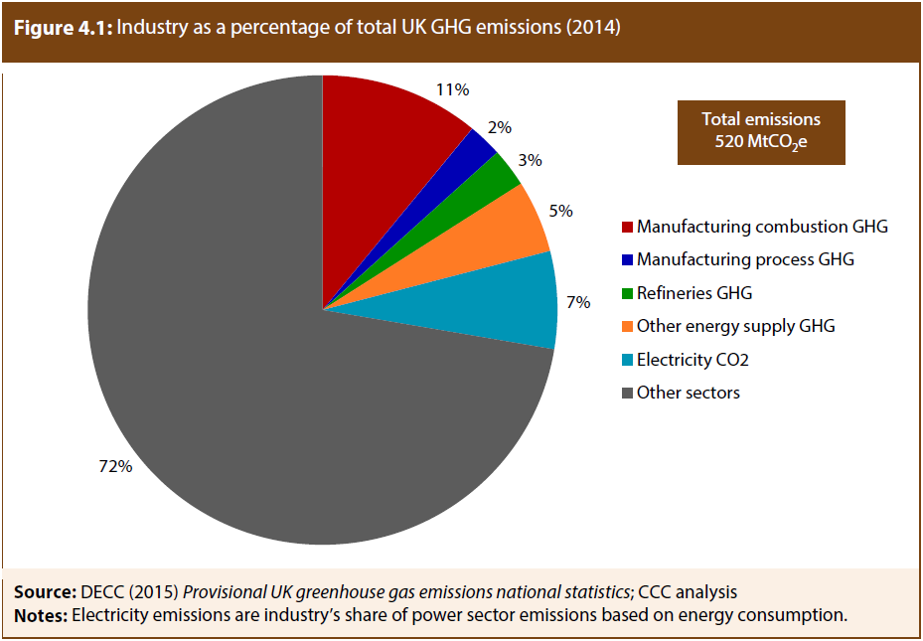
Industry as a percentage of total UK GHG emissions (2014) |  |  | Back to contents
Source: | DECC (2015), Provisional UK greenhouse gas emissions national statistics; CCC analysis
Notes: | Electricity emissions are industry’s share of power sector emissions based on energy consumption

 |  | % of total UK GHG emissions
 | Manufacturing combustion GHG | 11%
 | Manufacturing process GHG | 2%
 | Refineries GHG | 3%
 | Other energy supply GHG | 5%
 | Electricity CO2 | 7%
 | Other sectors | 72%

4.2
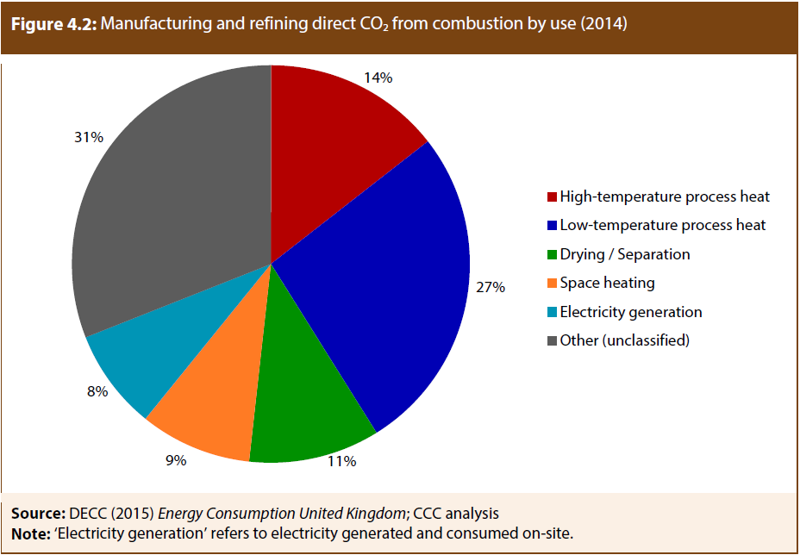
Manufacturing and refining direct CO2 from combustion by purpose (2014) |  |  | Back to contents
Source: | DECC (2015), Energy Consumption United Kingdom; CCC analysis
Note: | Electricity generation' refers to electricity generated and consumed on-site

 |  | % of manufacturing and refining direct CO2
 | High-temperature process heat | 14%
 | Low-temperature process heat | 27%
 | Drying / Separation | 11%
 | Space heating | 9%
 | Electricity generation | 8%
 | Other (unclassified) | 31%

4.3
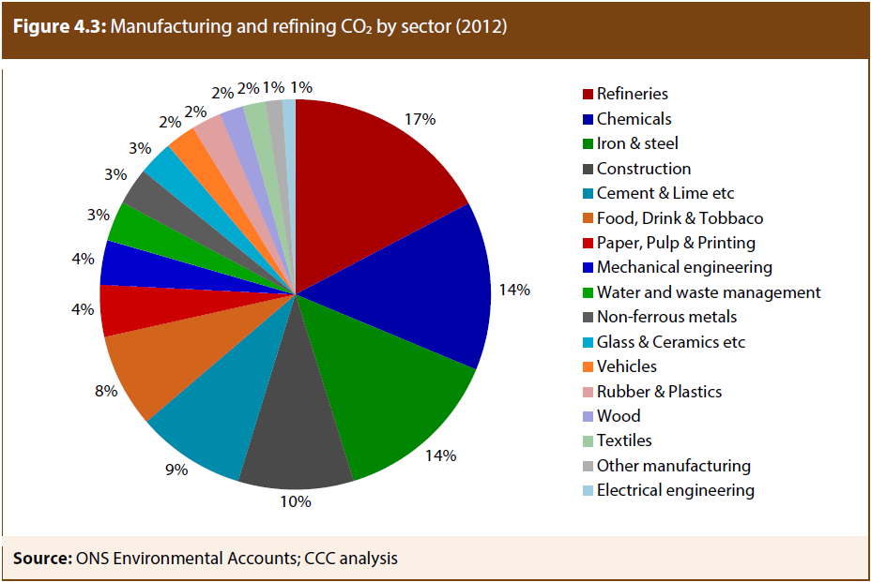
Manufacturing and refining CO2 by sector (2012) |  |  | Back to contents
Source: | ONS environmental accounts and CCC analysis

 |  | % of manufacturing and refining direct CO2
 | Refineries | 17%
 | Chemicals | 14%
 | Iron & steel | 14%
 | Construction | 10%
 | Cement & Lime etc | 9%
 | Food, Drink & Tobbaco | 8%
 | Paper, Pulp & Printing | 4%
 | Mechanical engineering | 4%
 | Water and waste management | 3%
 | Non-ferrous metals | 3%
 | Glass & Ceramics etc | 3%
 | Vehicles | 2%
 | Rubber & Plastics | 2%
 | Wood | 2%
 | Textiles | 2%
 | Other manufacturing | 1%
 | Electrical engineering | 1%

4.4
Industrial GHG emission trends (1990-2014) |  |  |  |  |  | Back to contents
Source: | NAEI (2015), Greenhouse Gas Inventories for England, Scotland, Wales and Northern Ireland: 1990-2013; DECC (2015), Provisional UK greenhouse gas emissions national statistics; CCC analysis.
Notes: | Excludes emissions from F-gases (Chapter 7).

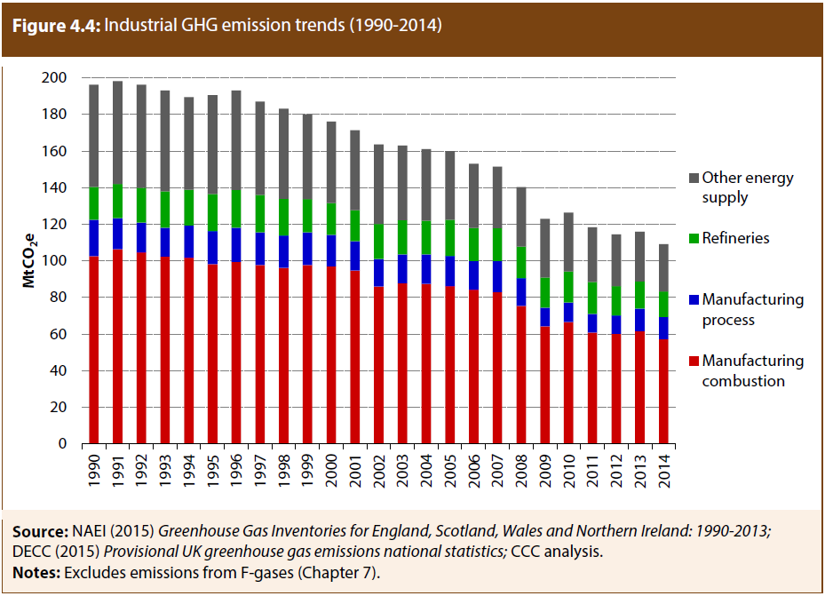
 |  | Manufacturing combustion | Manufacturing process | Refineries | Other energy supply
 | 1990 | 103 | 20 | 18 | 56
 | 1991 | 106 | 17 | 19 | 56
 | 1992 | 105 | 16 | 19 | 56
 | 1993 | 102 | 16 | 20 | 55
 | 1994 | 102 | 18 | 19 | 51
 | 1995 | 98 | 18 | 20 | 54
 | 1996 | 99 | 19 | 21 | 54
 | 1997 | 98 | 18 | 21 | 51
 | 1998 | 96 | 18 | 20 | 49
 | 1999 | 98 | 18 | 18 | 46
 | 2000 | 97 | 17 | 17 | 45
 | 2001 | 95 | 16 | 17 | 44
 | 2002 | 86 | 15 | 19 | 43
 | 2003 | 88 | 16 | 19 | 41
 | 2004 | 87 | 16 | 18 | 39
 | 2005 | 86 | 17 | 20 | 38
 | 2006 | 84 | 16 | 18 | 35
 | 2007 | 83 | 17 | 18 | 34
 | 2008 | 75 | 15 | 17 | 33
 | 2009 | 64 | 10 | 17 | 32
 | 2010 | 66 | 11 | 17 | 32
 | 2011 | 61 | 10 | 17 | 30
 | 2012 | 60 | 10 | 16 | 28
 | 2013 | 62 | 12 | 15 | 27
 | 2014 | 57 | 12 | 14 | 26

4.5
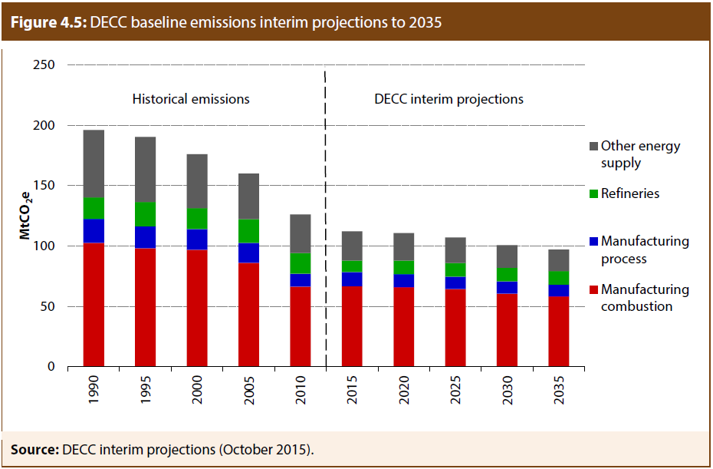
DECC energy and emission projections to 2035 |  |  |  |  |  | Back to contents
Source: | DECC interim projections (October 2015).

 |  | Manufacturing combustion | Manufacturing process | Refineries | Other energy supply
 | 1990 | 103 | 20 | 18 | 56
 | 1995 | 98 | 18 | 20 | 54
 | 2000 | 97 | 17 | 17 | 45
 | 2005 | 86 | 17 | 20 | 38
 | 2010 | 66 | 11 | 17 | 32
 | 2015 | 67 | 12 | 10 | 24
 | 2020 | 66 | 11 | 11 | 23
 | 2025 | 64 | 10 | 11 | 21
 | 2030 | 61 | 10 | 11 | 19
 | 2035 | 58 | 10 | 11 | 18

B4.1
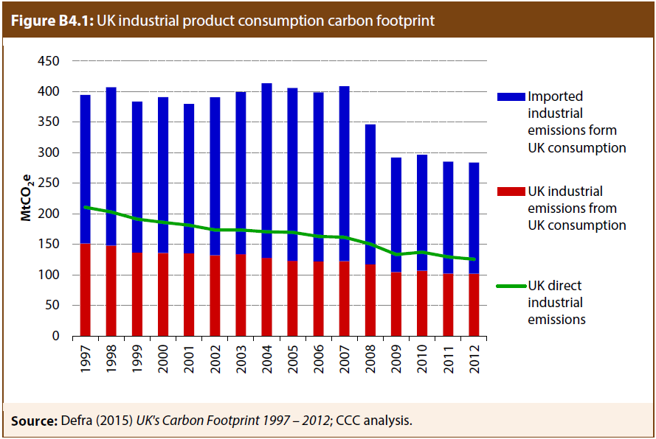
UK industrial product consumption 'carbon footprint' |  |  |  |  |  | Back to contents
Source: | Defra (2015), UK's Carbon Footprint 1997 – 2012; CCC analysis.

 |  | 1997 | 1998 | 1999 | 2000 | 2001 | 2002 | 2003 | 2004 | 2005 | 2006 | 2007 | 2008 | 2009 | 2010 | 2011 | 2012
 | UK industrial emissions from UK consumption | 151 | 148 | 137 | 136 | 135 | 132 | 134 | 128 | 123 | 122 | 122 | 117 | 104 | 107 | 102 | 102
 | Imported industrial emissions form UK consumption | 243 | 259 | 247 | 255 | 245 | 259 | 265 | 286 | 283 | 277 | 286 | 229 | 188 | 190 | 183 | 182
 | UK direct industrial emissions | 211 | 203 | 191 | 186 | 181 | 174 | 174 | 170 | 170 | 163 | 162 | 151 | 133 | 137 | 129 | 126

4.6
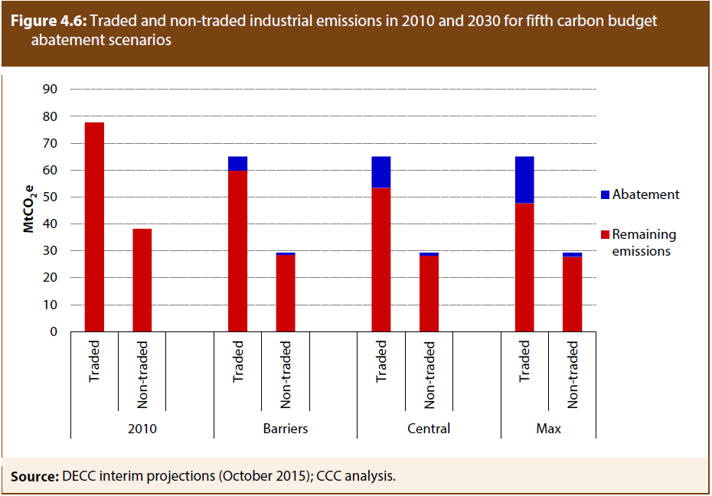
Traded and non-traded industrial emissions in 2010 and 2030 for 5th carbon budget abatement scenarios |  |  |  |  | Back to contents
Source: | DECC interim projections (October 2015); CCC analysis.

 |  |  | Remaining emissions | Abatement
 | 2010 | Traded | 78 | 0
 |  | Non-traded | 38 | 0
 | Barriers | Traded | 60 | 5
 |  | Non-traded | 28 | 1
 | Central | Traded | 53 | 12
 |  | Non-traded | 28 | 1
 | Max | Traded | 48 | 17
 |  | Non-traded | 28 | 2

B4.2
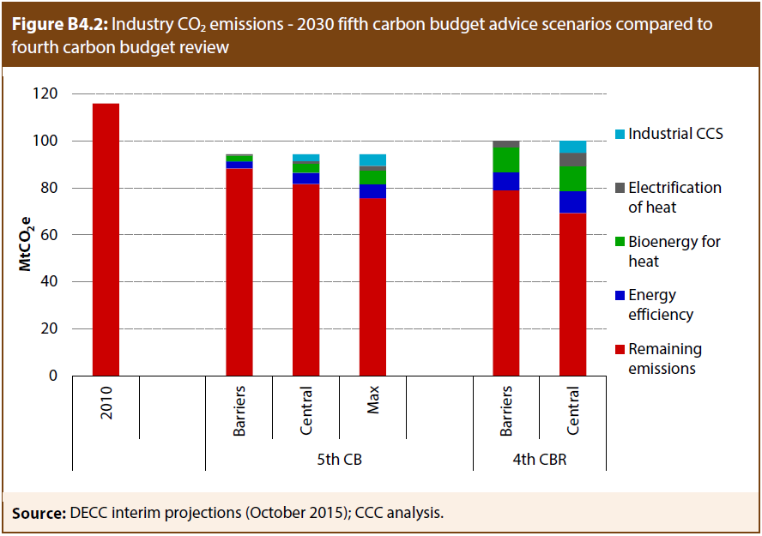
Industry CO2 emissions - 2030 5th carbon budget advice scenarios compared to 4th carbon budget review |  |  |  |  |  | Back to contents
Source: | DECC interim projections (October 2015); CCC analysis.

 |  |  | Remaining emissions | Energy efficiency | Bioenergy for heat | Electrification of heat | Industrial CCS
 |  | 2010 | 116
 | 5th CB | Barriers | 88 | 3 | 2 | 1 | 0
 |  | Central | 82 | 5 | 4 | 1 | 3
 |  | Max | 76 | 6 | 6 | 2 | 5
 | 4th CBR | Barriers | 79 | 8 | 11 | 3 | 0
 |  | Central | 69 | 9 | 11 | 6 | 5

4.7
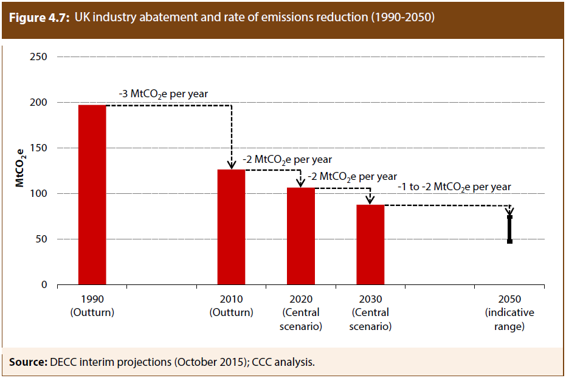
UK industry GHG abatement and rate of emissions reduction (1990-2050) |  |  |  |  |  | Back to contents
Source: | DECC interim projections (October 2015); CCC analysis.

 |  | Outturn |  | Projected
 |  | 1990 (Outturn) | 2010 (Outturn) | 2020 (Central scenario) | 2030 (Central scenario) | 2050 (indicative range)
 | Industry GHG emissions | 197 | 126
 | Industry GHG emissions 2050 - Central scenario |  |  | 107 | 88
 | Industry GHG emissions 2050 - Barriers scenario |  |  |  |  | 74
 | Industry GHG emissions 2050 - Max scenario |  |  |  |  | 47

