E1
Title: | Recommended annual targets (2017-2032), historical emissions (1990-2013) and path to 2050 |  |  |  |  | Back to contents
Source: | CCC analysis
Notes: | Historical emissions are on a net basis, taking into account trading in the EU ETS

 |  | 1990 | 1991 | 1992 | 1993 | 1994 | 1995 | 1996 | 1997 | 1998 | 1999 | 2000 | 2001 | 2002 | 2003 | 2004 | 2005 | 2006 | 2007 | 2008 | 2009 | 2010 | 2011 | 2012 | 2013 | 2014 | 2015 | 2016 | 2017 | 2018 | 2019 | 2020 | 2021 | 2022 | 2023 | 2024 | 2025 | 2026 | 2027 | 2028 | 2029 | 2030 | 2031 | 2032 | 2033 | 2034 | 2035 | 2036 | 2037 | 2038 | 2039 | 2040 | 2041 | 2042 | 2043 | 2044 | 2045 | 2046 | 2047 | 2048 | 2049 | 2050
 | Historical emissions | 81 |  |  |  |  | 81 |  |  | 80 | 76 | 78 | 77 | 72 | 72 | 70 | 69 | 67 | 66 | 64 | 61 | 60 | 58 | 58 | 50
 | Recommended targets |  |  |  |  |  |  |  |  |  |  |  |  |  |  |  |  |  |  |  |  |  |  |  |  |  |  |  | 44.91810 | 44.394 | 43.837 | 42.522 | 41.247 | 40.009 | 38.809 | 37.645 | 36.515 | 35.420 | 34.357 | 33.327 | 32.327 | 31.357 | 30.416 | 29.504
 | pathway to 2050 |  |  |  |  |  |  |  |  |  |  |  |  |  |  |  |  |  |  |  |  |  |  |  |  |  |  |  |  |  |  |  |  |  |  |  |  |  |  |  |  |  |  | 30 | 29 | 28 | 27 | 26 | 25 | 24 | 23 | 22 | 22 | 21 | 20 | 20 | 19 | 18 | 18 | 17 | 17 | 16
 | 2050 target |  |  |  |  |  |  |  |  |  |  |  |  |  |  |  |  |  |  |  |  |  |  |  |  |  |  |  |  |  |  |  |  |  |  |  |  |  |  |  |  |  |  |  |  |  |  |  |  |  |  |  |  |  |  |  |  |  |  |  |  | 16
 | Previous estimate of historical emissions | 70 |  |  |  |  | 68 |  |  | 68 | 63 | 65 | 65 | 61 | 61 | 58 | 59 | 58 | 57 | 55

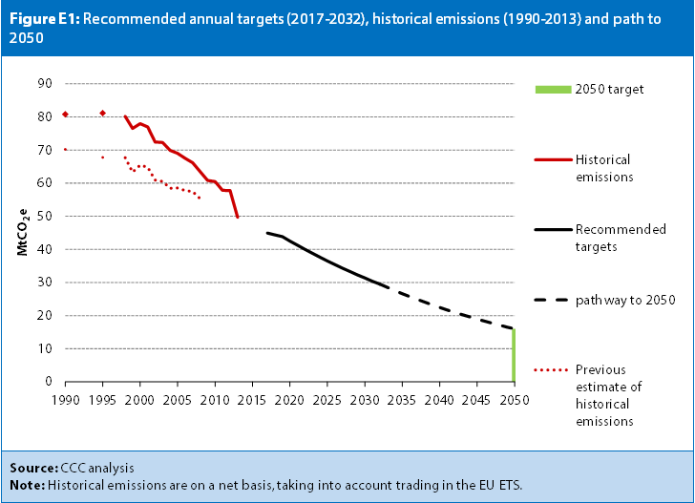

2.1
Title: | Effect of the UN pledges on the global emission pathways |  |  |  |  | Back to contents
Source: | Climate Action Tracker (2015)
Notes: | Red shaded area reflects best estimate of impact of pledges. Green areas denote 10th to 90th percentile range of modelled cost-effective paths to meet temperature limits, with dashed lines reflecting median values.

 | GtCO2e |  | 1990 | 1991 | 1992 | 1993 | 1994 | 1995 | 1996 | 1997 | 1998 | 1999 | 2000 | 2001 | 2002 | 2003 | 2004 | 2005 | 2006 | 2007 | 2008 | 2009 | 2010 | 2011 | 2012 | 2013 | 2014 | 2015 | 2016 | 2017 | 2018 | 2019 | 2020 | 2021 | 2022 | 2023 | 2024 | 2025 | 2026 | 2027 | 2028 | 2029 | 2030
 | Current policy projections (3.3-3.8°C) | High |  |  |  |  |  |  |  |  |  |  |  |  |  |  |  |  |  |  |  |  | 47 | 48 | 48 | 49 | 50 | 50 | 51 | 51 | 52 | 53 | 53 | 54 | 55 | 56 | 56 | 57 | 58 | 59 | 60 | 60 | 61
 |  | Low |  |  |  |  |  |  |  |  |  |  |  |  |  |  |  |  |  |  |  |  | 47 | 48 | 48 | 49 | 49 | 50 | 50 | 51 | 51 | 52 | 52 | 53 | 53 | 54 | 54 | 55 | 55 | 56 | 57 | 57 | 58
 | Pledges | High |  |  |  |  |  |  |  |  |  |  |  |  |  |  |  |  |  |  |  |  | 47 | 48 | 48 | 49 | 49 | 50 | 50 | 51 | 51 | 52 | 52 | 52 | 52 | 53 | 53 | 53 | 54 | 54 | 54 | 54 | 55
 |  | Low |  |  |  |  |  |  |  |  |  |  |  |  |  |  |  |  |  |  |  |  | 47 | 48 | 48 | 49 | 49 | 49 | 50 | 50 | 50 | 51 | 51 | 51 | 51 | 51 | 51 | 52 | 52 | 52 | 52 | 52 | 52
 | Below 2°C (>66% likelihood) | 90th |  |  |  |  |  |  |  |  |  |  |  |  |  |  |  |  |  |  |  |  | 47 | 46 | 45 | 45 | 44 | 43 | 43 | 42 | 42 | 41 | 40 | 39 | 38 | 37 | 35 | 34 | 33 | 32 | 31 | 30 | 28
 |  | Median |  |  |  |  |  |  |  |  |  |  |  |  |  |  |  |  |  |  |  |  | 48 | 48 | 47 | 47 | 47 | 46 | 46 | 46 | 45 | 45 | 45 | 44 | 43 | 43 | 42 | 41 | 41 | 40 | 39 | 38 | 38
 |  | 10th |  |  |  |  |  |  |  |  |  |  |  |  |  |  |  |  |  |  |  |  | 50 | 50 | 50 | 49 | 49 | 49 | 48 | 48 | 48 | 48 | 47 | 47 | 47 | 47 | 47 | 46 | 46 | 46 | 46 | 46 | 45
 | Below 1.5°C (>50% likelihood) | 90th |  |  |  |  |  |  |  |  |  |  |  |  |  |  |  |  |  |  |  |  | 47 | 46 | 45 | 44 | 43 | 42 | 41 | 40 | 39 | 38 | 37 | 36 | 35 | 34 | 33 | 32 | 31 | 30 | 29 | 28 | 28
 |  | Median |  |  |  |  |  |  |  |  |  |  |  |  |  |  |  |  |  |  |  |  | 47 | 47 | 46 | 45 | 44 | 44 | 43 | 42 | 42 | 41 | 40 | 39 | 38 | 37 | 36 | 35 | 35 | 34 | 33 | 32 | 31
 |  | 10th |  |  |  |  |  |  |  |  |  |  |  |  |  |  |  |  |  |  |  |  | 50 | 50 | 49 | 49 | 49 | 48 | 48 | 48 | 47 | 47 | 47 | 46 | 45 | 43 | 42 | 41 | 40 | 39 | 38 | 37 | 36
 | Historical emissions |  | 36 | 36 | 35 | 35 | 36 | 36 | 37 | 37 | 37 | 38 | 39 | 39 | 40 | 41 | 43 | 44 | 45 | 46 | 46 | 46 | 47 | 48 | 48
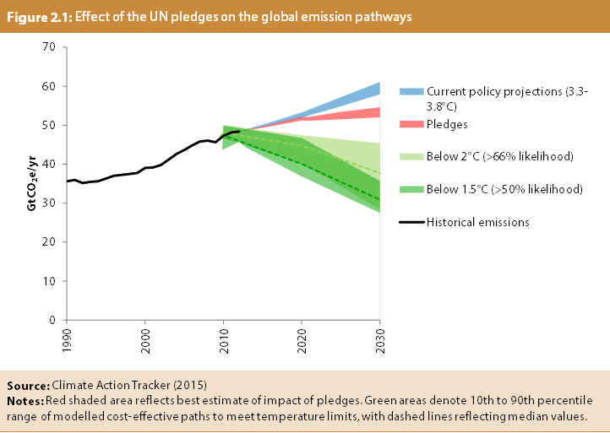

 | ₂

3.1
Title: | Scottish GHG emissions by sector (1990-2013) |  |  |  |  | Back to contents
Source: | NAEI (2015)
Notes:

 |  | Baseline | 1990 | 1995 | 1998 | 1999 | 2000 | 2001 | 2002 | 2003 | 2004 | 2005 | 2006 | 2007 | 2008 | 2009 | 2010 | 2011 | 2012 | 2013
 | Power | 15 | 15 | 17 | 18 | 17 | 20 | 19 | 17 | 18 | 16 | 14 | 19 | 16 | 14 | 13 | 16 | 12 | 13 | 11
 | Residential | 8 | 8 | 8 | 8 | 8 | 8 | 8 | 8 | 8 | 8 | 8 | 7 | 7 | 7 | 7 | 8 | 6 | 7 | 7
 | Industry | 21 | 21 | 20 | 18 | 16 | 16 | 17 | 16 | 15 | 15 | 16 | 15 | 15 | 14 | 13 | 13 | 13 | 12 | 12
 | Commercial | 1 | 1 | 1 | 1 | 2 | 2 | 2 | 1 | 1 | 1 | 1 | 1 | 1 | 2 | 1 | 2 | 1 | 2 | 2
 | Public | 2 | 2 | 2 | 2 | 2 | 2 | 2 | 1 | 1 | 2 | 2 | 1 | 1 | 1 | 1 | 1 | 1 | 1 | 1
 | Transport | 11 | 11 | 11 | 11 | 11 | 11 | 11 | 11 | 11 | 11 | 11 | 12 | 12 | 11 | 11 | 11 | 11 | 11 | 11
 | IA&S | 3 | 3 | 3 | 3 | 3 | 2 | 2 | 2 | 2 | 2 | 3 | 3 | 3 | 3 | 3 | 3 | 3 | 2 | 2
 | Agriculture | 11 | 11 | 11 | 11 | 11 | 10 | 10 | 10 | 10 | 10 | 10 | 10 | 10 | 9 | 9 | 9 | 9 | 9 | 9
 | Land use, land use change, and forestry | 0 | 0 | 0 | -1 | -1 | -2 | -2 | -3 | -3 | -3 | -3 | -4 | -4 | -4 | -4 | -4 | -5 | -5 | -5
 | Waste | 10 | 10 | 10 | 10 | 9 | 9 | 9 | 9 | 8 | 7 | 7 | 7 | 6 | 5 | 5 | 4 | 4 | 3 | 3
 | total | 81 | 81 | 81 | 80 | 76 | 78 | 77 | 72 | 72 | 70 | 68 | 71 | 67 | 64 | 60 | 62 | 55 | 55 | 53

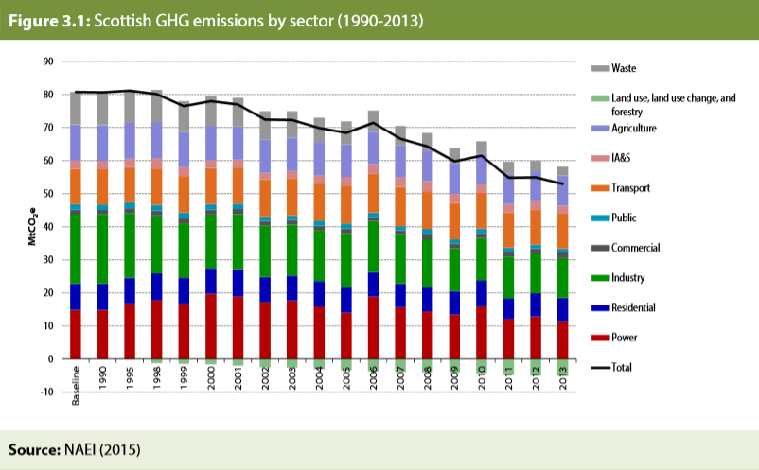

3.2
Title: | Net Scottish Emissions Account (2010-2013): comparison against current targets to 2027 |  |  |  |  | Back to contents
Source: | NAEI (2015)
Notes:

 |  | 2010 | 2011 | 2012 | 2013 | 2014 | 2015 | 2016 | 2017 | 2018 | 2019 | 2020 | 2021 | 2022 | 2023 | 2024 | 2025 | 2026 | 2027
 | Current targets | 54 | 53 | 53 | 48 | 47 | 46 | 45 | 44 | 43 | 42 | 41 | 39 | 38 | 37 | 36 | 34 | 32 | 31
 | 42% target |  |  |  |  |  |  |  |  |  |  | 48
 | Net actual emissions | 60 | 58 | 58 | 50

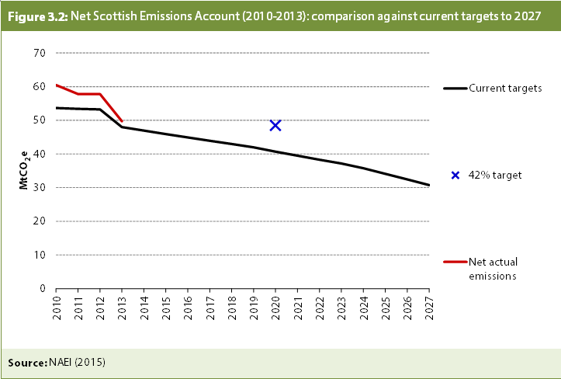

3.3
Title: | Business as usual projections, Scotland (2013-2035) |  |  |  |  | Back to contents
Source: | CCC analysis
Notes: | Not including international aviation and shipping. LULUCF = land use, land use change and forestry. The baseline power sector technology is unabated gas. Emissions initially therefore fall as this replaces the Longannet coal power station, and then rise as it replaces both assumed closure of nuclear plant and existing renewables coming to the end of their economic life.

 |  | 2013 | 2014 | 2015 | 2016 | 2017 | 2018 | 2019 | 2020 | 2021 | 2022 | 2023 | 2024 | 2025 | 2026 | 2027 | 2028 | 2029 | 2030 | 2031 | 2032 | 2033 | 2034 | 2035
 | Power | 11.5 | 10.9 | 9.5 | 7.6 | 7.2 | 6.8 | 7.0 | 7.1 | 7.3 | 7.4 | 7.6 | 6.8 | 7.6 | 8.4 | 9.0 | 9.8 | 11.4 | 12.8 | 14.0 | 15.4 | 17.4 | 18.4 | 20.1
 | Agriculture | 9 | 9 | 9 | 9 | 9 | 9 | 9 | 9 | 9 | 9 | 9 | 9 | 9 | 9 | 9 | 9 | 9 | 9 | 9 | 9 | 9 | 9 | 9
 | Residential | 7 | 7 | 7 | 7 | 7 | 7 | 7 | 7 | 7 | 6 | 6 | 6 | 6 | 6 | 6 | 7 | 7 | 7 | 7 | 7 | 7 | 7 | 7
 | Non-residential | 3 | 2 | 3 | 2 | 2 | 2 | 2 | 2 | 2 | 2 | 2 | 2 | 2 | 2 | 2 | 2 | 2 | 2 | 2 | 2 | 2 | 2 | 2
 | Industry | 11 | 10 | 10 | 11 | 11 | 11 | 11 | 11 | 11 | 11 | 11 | 11 | 11 | 11 | 11 | 10 | 10 | 10 | 10 | 10 | 10 | 10 | 10
 | Transport | 10 | 10 | 10 | 10 | 10 | 10 | 10 | 10 | 10 | 10 | 10 | 10 | 10 | 10 | 10 | 10 | 10 | 10 | 10 | 10 | 10 | 11 | 11
 | LULUCF | -5 | -5 | -5 | -5 | -5 | -5 | -5 | -5 | -5 | -4 | -4 | -4 | -4 | -3 | -3 | -3 | -3 | -2 | -2 | -2 | -2 | -1 | -1
 | Waste and f-gases | 3 | 4 | 4 | 4 | 3 | 3 | 3 | 3 | 3 | 3 | 3 | 3 | 3 | 3 | 3 | 3 | 3 | 3 | 3 | 3 | 3 | 3 | 3

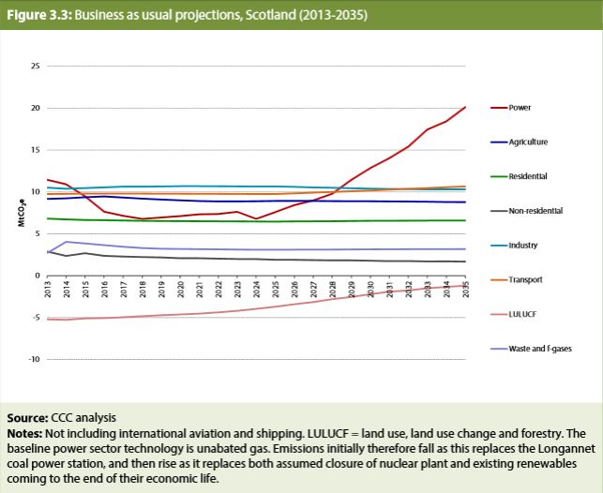

3.4
Title: | Scottish inventory changes (1990 baseline, 2010-2012) from 2013 to 2015 |  |  |  |  | Back to contents
Source: | NAEI and Scottish Government (2015)
Notes:

 |  | Baseline | 2010 | 2011 | 2012
 | 2015 revisions | 5.2 | 3.3 | 2.4 | 2.1
 | 2014 revisions | 2.6 | 1.3 | 1.1 | 55.7
 | 2013 revisions | 0.7 | 1.2 | 54.3
 | original estimates | 72.3 | 54.7

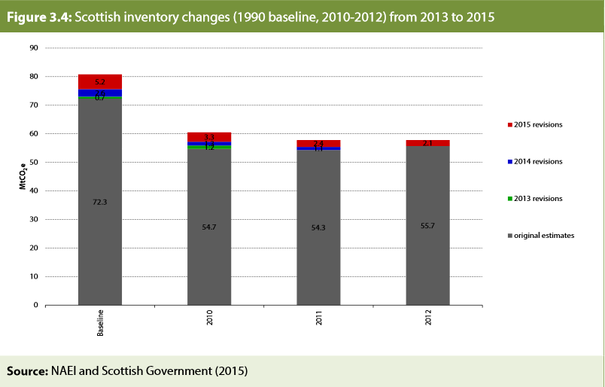

3.5
Title: | The Scottish Central scenario would fall short of existing targets (2010-2050) |  |  |  |  | Back to contents
Source: | CCC analysis
Notes: | Actual emissions are Net Scottish Emission Account, the estimate for Scottish emissions against which annual targets are judged.

 |  | 2010 | 2011 | 2012 | 2013 | 2014 | 2015 | 2016 | 2017 | 2018 | 2019 | 2020 | 2021 | 2022 | 2023 | 2024 | 2025 | 2026 | 2027 | 2028 | 2029 | 2030 | 2031 | 2032 | 2033 | 2034 | 2035 | 2036 | 2037 | 2038 | 2039 | 2040 | 2041 | 2042 | 2043 | 2044 | 2045 | 2046 | 2047 | 2048 | 2049 | 2050
 | Current targets | 54 | 53 | 53 | 48 | 47 | 46 | 45 | 44 | 43 | 42 | 41 | 39 | 38 | 37 | 36 | 34 | 32 | 31
 | Scottish Central scenario |  |  |  |  | 45 | 46 | 46 | 47 | 46 | 45 | 44 | 43 | 42 | 41 | 40 | 39 | 39 | 38 | 37 | 36 | 36 | 35 | 34
 | Central scenario path to 2050 |  |  |  |  |  |  |  |  |  |  |  |  |  |  |  |  |  |  |  |  |  |  | 34 | 33 | 32 | 31 | 30 | 29 | 28 | 27 | 27 | 26 | 25 | 24 | 24 | 23 | 22 | 22 | 21 | 20 | 20
 | Net actual emissions | 60 | 58 | 58 | 50
 | 2050 target |  |  |  |  |  |  |  |  |  |  |  |  |  |  |  |  |  |  |  |  |  |  |  |  |  |  |  |  |  |  |  |  |  |  |  |  |  |  |  |  | 16

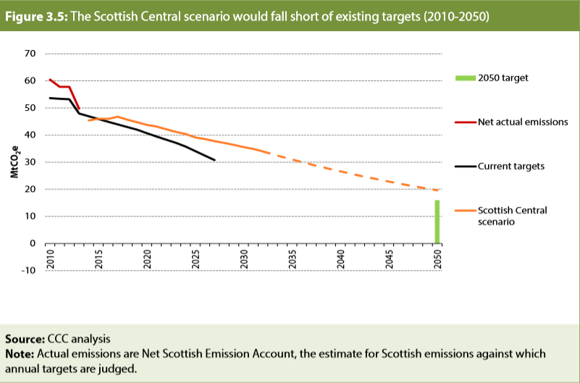

3.6
Title: | Scottish sectoral reductions to 2035 compared to UK |  |  |  |  | Back to contents
Source: | CCC analysis
Notes: | The transport sector for UK does not include international aviation.

 |  | 2015 | 2016 | 2017 | 2018 | 2019 | 2020 | 2021 | 2022 | 2023 | 2024 | 2025 | 2026 | 2027 | 2028 | 2029 | 2030 | 2031 | 2032 | 2033 | 2034 | 2035
 | Power UK | 100.00 | 92.26 | 82.32 | 76.57 | 70.95 | 61.28 | 57.81 | 53.86 | 50.24 | 46.92 | 42.94 | 39.49 | 35.80 | 32.15 | 28.87 | 25.24 | 24.21 | 23.19 | 22.16 | 21.13 | 20.10
 | Industry UK | 100.00 | 98.72 | 97.55 | 96.56 | 95.60 | 94.82 | 93.89 | 92.91 | 91.96 | 91.06 | 90.31 | 88.33 | 86.33 | 84.39 | 82.47 | 77.96 | 76.07 | 74.18 | 72.57 | 70.96 | 69.50
 | Buildings UK | 100.00 | 97.20 | 95.42 | 93.77 | 93.13 | 91.52 | 90.69 | 89.19 | 87.82 | 86.58 | 84.09 | 83.22 | 82.11 | 81.13 | 80.39 | 78.28 | 76.07 | 74.03 | 71.24 | 68.58 | 65.16
 | Transport UK | 100.00 | 97.63 | 95.10 | 91.92 | 88.62 | 85.19 | 83.00 | 80.60 | 77.03 | 74.37 | 71.44 | 69.06 | 66.47 | 63.89 | 61.38 | 58.91 | 56.26 | 54.08 | 51.85 | 49.59 | 47.36
 | Agriculture UK | 100.00 | 98.35 | 97.19 | 96.44 | 95.45 | 94.18 | 93.27 | 92.66 | 92.19 | 92.10 | 91.70 | 91.39 | 90.60 | 89.91 | 89.07 | 88.13 | 87.11 | 85.92 | 84.78 | 83.61 | 82.18
 | Waste and F-gases UK | 100.00 | 93.00 | 85.70 | 78.96 | 75.61 | 72.69 | 69.39 | 66.08 | 62.37 | 58.28 | 54.95 | 51.86 | 49.08 | 46.50 | 43.95 | 41.57 | 39.38 | 37.56 | 36.27 | 35.40 | 34.73

 | Power Scotland | 100.00 | 15.63 | 15.66 | 14.58 | 14.38 | 15.23 | 14.54 | 19.70 | 18.86 | 19.97 | 18.12 | 21.54 | 18.76 | 18.78 | 16.99 | 15.46 | 15.32 | 15.34 | 15.36 | 15.38 | 15.40
 | Industry Scotland | 100.00 | 99.87 | 99.93 | 99.24 | 98.78 | 98.77 | 98.60 | 98.19 | 98.00 | 97.64 | 97.44 | 94.79 | 91.98 | 89.40 | 86.75 | 84.07 | 82.12 | 80.34 | 78.55 | 77.00 | 75.51
 | Buildings Scotland | 100.00 | 95.16 | 92.88 | 90.70 | 89.05 | 86.57 | 85.95 | 83.39 | 82.27 | 81.13 | 77.91 | 77.63 | 76.60 | 75.50 | 74.93 | 72.16 | 71.79 | 70.06 | 67.91 | 65.63 | 60.72
 | Transport Scotland | 100.00 | 98.17 | 96.25 | 93.96 | 91.50 | 88.85 | 86.82 | 84.63 | 81.64 | 79.33 | 76.99 | 75.12 | 73.11 | 71.11 | 69.14 | 67.18 | 65.07 | 63.32 | 61.56 | 59.77 | 58.01
 | Agriculture Scotland | 100.00 | 100.17 | 97.82 | 95.62 | 93.61 | 91.71 | 89.96 | 88.55 | 87.75 | 87.13 | 86.62 | 85.79 | 84.89 | 83.82 | 82.85 | 81.96 | 81.46 | 81.05 | 80.57 | 80.06 | 79.67
 | Waste and F-gases Scotland | 100.00 | 92.64 | 85.07 | 77.79 | 73.63 | 69.67 | 65.96 | 62.65 | 59.36 | 56.08 | 53.55 | 51.15 | 49.00 | 46.98 | 44.96 | 43.06 | 41.31 | 39.81 | 38.74 | 38.00 | 37.42

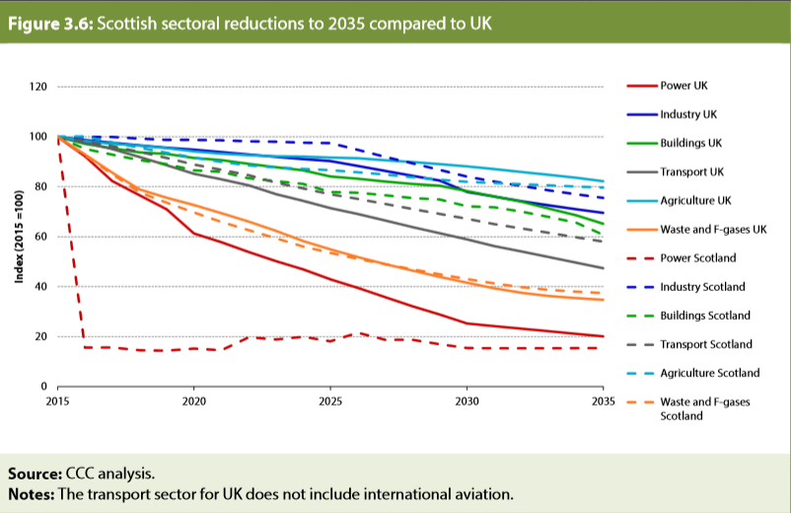

3.7
Title: | Sectoral shares of emissions in Scotland compared to UK (2013) |  |  | Back to contents
Source: | NAEI (2015)
Notes: | Shares appear greater than 100% due to LULUCF (land use, land use change and forestry) negative emissions.

 | Series | Scotland | UK
 | Power | 22% | 26%
 | Residential buildings | 13% | 14%
 | Non-residential buildings | 8% | 4%
 | Industry | 20% | 23%
 | Transport | 20% | 21%
 | IA&S | 5% | 0%
 | Agriculture | 17% | 9%
 | LULUCF | -10% | -1%
 | Waste | 5% | 4%
 | Total | 100% | 100%

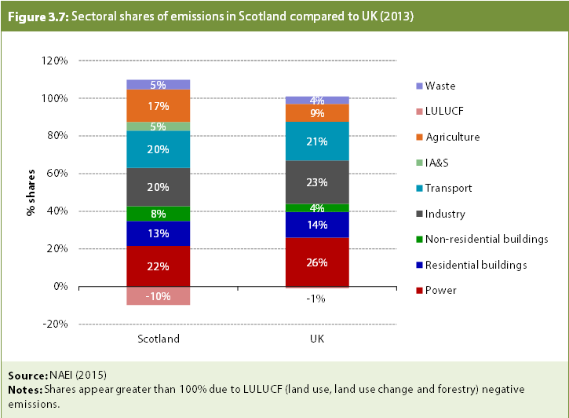

3.8
Title: | Abatement in the High Ambition Scenario (total emissions, 2030) |  |  |  |  | Back to contents
Source: | CCC analysis
Notes: | The Baseline is a projection of GHG emissions in the absence of further effort to reduce them. Baseline GHG emissions are drawn from Government models and our own modelling at the sector level. Biomethane in the gas grid is allocated to the industry sector. This figure does not include aviation and shipping as we have not constructed a BAU scenario for this sector.

 |  | BAU Baseline GHG | Power | Industry | Residential | Non-residential | Transport | Agriculture & LULUCF | Waste and F-gases | High Ambition Scenario GHG
 | Power | 13 | 11 |  |  |  |  |  |  | 1
 | Industry | 10 |  | 3 |  |  |  |  |  | 8
 | Residential | 7 |  |  | 2 |  |  |  |  | 5
 | Non-residential | 2 |  |  |  | 1 |  |  |  | 1
 | Transport | 10 |  |  |  |  | 6 |  |  | 5
 | Agriculture & LULUCF | 6.7 |  |  |  |  |  | 3 |  | 4
 | Waste and F-gases | 3 |  |  |  |  |  |  | 2 | 2
 | Total | 52 |  |  |  |  |  |  |  | 25
 | Base |  | 40 | 37 | 36 | 35 | 29 | 26 | 25
 | Line 1 | 52 | 52 |  | 36 | 36 |  | 26 | 26
 | Line 2 |  | 40 | 40 |  | 35 | 35 |  | 25 | 25
 | Line 3 |  |  | 37 | 37 |  | 29 | 29

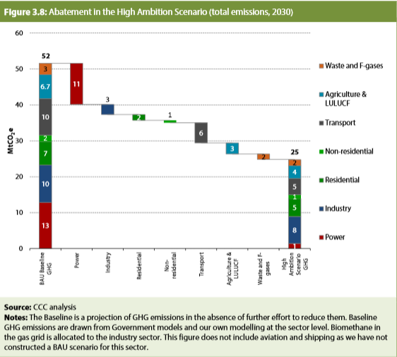

3.9
Title: | Abatement in the High Ambition Scenario (traded sector, 2030) |  |  |  |  | Back to contents
Source: | CCC analysis
Notes: | The Baseline is a projection of GHG emissions in the absence of further effort to reduce them. Baseline GHG emissions are drawn from Government models and our own modelling at the sector level. Biomethane in the gas grid is allocated to the industry sector. This figure does not include aviation and shipping as we have not constructed a BAU scenario for this sector.

 |  | BAU Baseline GHG | Power | Industry | High Ambition Scenario GHG
 | Power | 13 | 11 |  | 1
 | Industry | 6 |  | 3 | 4
 | Other | 0 |  |  | 0
 | Total | 19 |  |  | 5
 | Base |  | 8 | 5
 | Abatement
 | Line 1 | 19 | 19
 | Line 2 |  | 8 | 8
 | Line 3 |  |  | 5 | 5

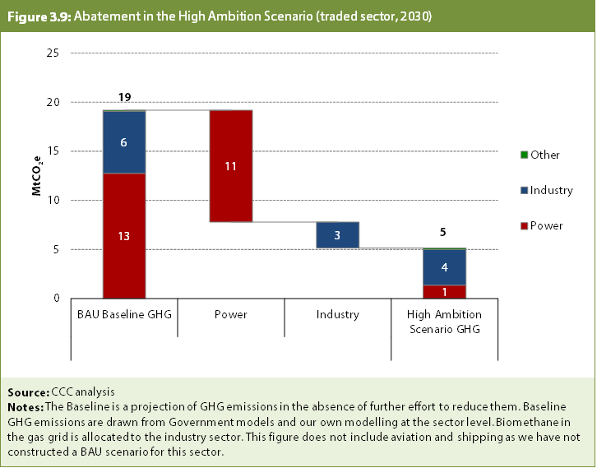

3.10
Title: | Abatement in the High Ambition Scenario (non-traded sector, 2030) |  |  |  |  | Back to contents
Source: | CCC analysis
Notes: | The Baseline is a projection of GHG emissions in the absence of further effort to reduce them. Baseline GHG emissions are drawn from Government models and our own modelling at the sector level. Biomethane in the gas grid is allocated to the industry sector. This figure does not include aviation and shipping as we have not constructed a BAU scenario for this sector.
...
 |  | BAU Baseline GHG | Power | Industry | Residential | Non-residential | Transport | Agriculture & LULUCF | Waste and F-gases | High Ambition Scenario GHG
 | Transport | 10 |  |  |  |  | 6 |  |  | 5
 | Agriculture & LULUCF | 7 |  |  |  |  |  | 3 |  | 4
 | Waste and F-gases | 3 |  |  |  |  |  |  | 2 | 2
 | Total | 32 |  |  |  |  |  |  |  | 20
 | Base |  | 32 | 32 | 31 | 30 | 24 | 21 | 20
 | Line 1 | 32 | 32 |  | 31 | 31 |  | 21 | 21
 | Line 2 |  | 32 | 32 |  | 30 | 30 |  | 20 | 20
 | Line 3 |  |  | 32 | 32 |  | 24 | 24

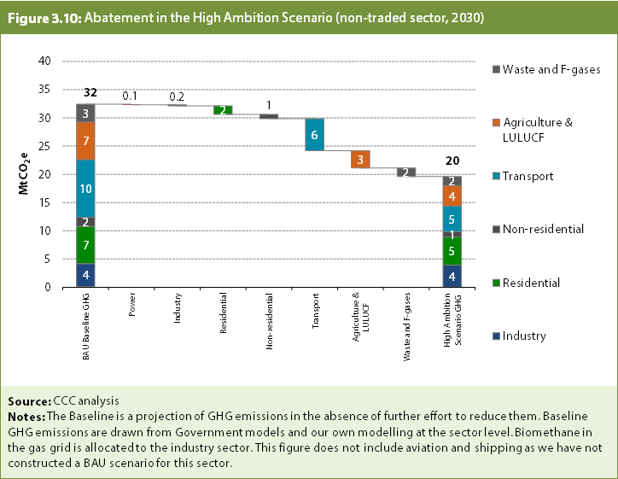

3.11
...
2030 | 7.4104040972 | -3.82 | 3.92 | 4.99 | 0.9 | 6.10 | 1.63 | 0.01 | 12.14 | 0

2050 |  |  |  |  |  |  |  |  |  | 16

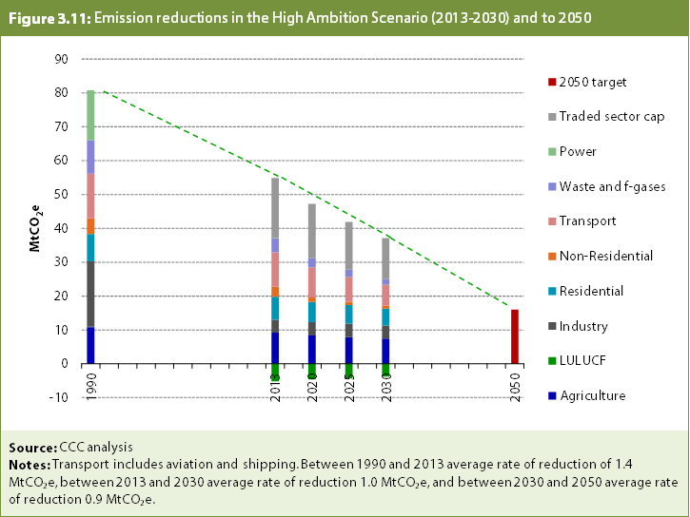

5.1
...
 | 1990 | 1995 | 1998 | 1999 | 2000 | 2001 | 2002 | 2003 | 2004 | 2005
Current emission estimates 2015 | 80.8 | 81.2 | 80.1 | 76.5 | 78.0 | 77.0 | 72.4 | 72.3 | 69.9 | 69.0
Recommended targets
pathway to 2050
2050
current targets
Previousemissions estimates from 2010 | 70.201 | 67.762 | 67.681 | 63.309 | 65.457 | 64.798 | 60.914 | 60.506 | 58.460 | 58.563

 | 80.786 | 81.159 | 80.122 | 76.496 | 77.974 | 76.989 | 72.429 | 72.272 | 69.878 | 68.999

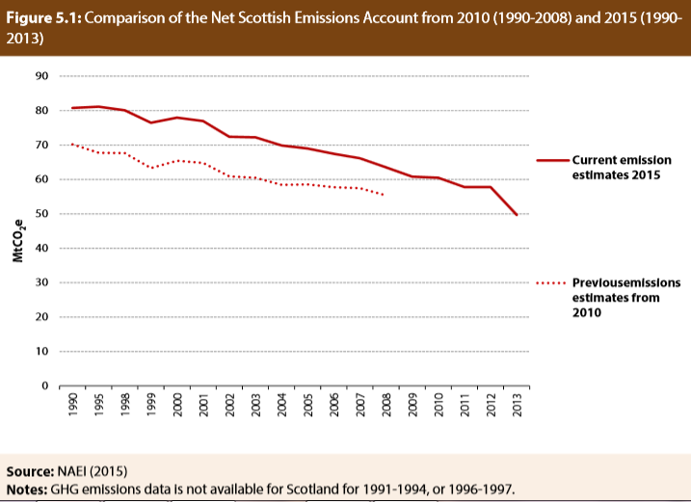

5.2
Title: | Net Scottish Emissions Account, current targets and High Ambition Scenario |  |  |  |  | Back to contents
Source: | CCC analysis
Notes:

 |  | 2010 | 2011 | 2012 | 2013 | 2014 | 2015 | 2016 | 2017 | 2018 | 2019
 | Current targets | 54 | 53 | 53 | 48 | 47 | 46 | 45 | 44 | 43 | 42
 | High Ambition Scenario |  |  |  |  | 45 | 46 | 46 | 46 | 45 | 44
 | Net Scottish Emissions Account | 60 | 58 | 58 | 50
 | 2050 80% target

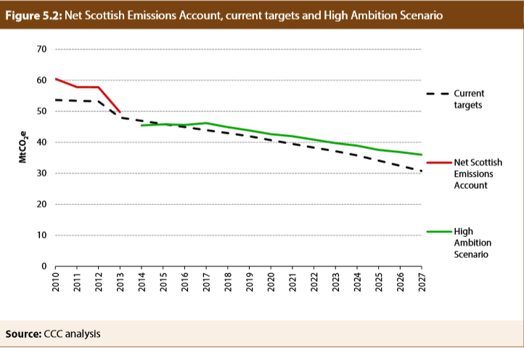

5.3
...
 | 2013 | 2014 | 2015 | 2016 | 2017 | 2018 | 2019 | 2020 | 2021 | 2022
Non-traded |  |  |  | 29.733 | 28.10 | 27.82 | 27.503866233 | 26 | 25 | 24
EU ETS share |  |  |  | 15 | 17 | 17 | 16 | 16 | 16 | 16
Current legislated targets |  |  |  | 45 | 44 | 43 | 42 | 41 | 39 | 38
Recommended targets |  |  |  | 44.93 | 44.92 | 44.39 | 43.84 | 43 | 41 | 40
High Ambition Scenario |  |  |  | 46 | 46 | 45 | 44 | 43 | 42 | 41
 |  |  |  |  |  | -0.51 | 0.00 | -0.11 | -0.74 | -0.85
 |  |  |  |  |  | 1.9 | 1.9 | 1.9 | 2.5 | 2.6

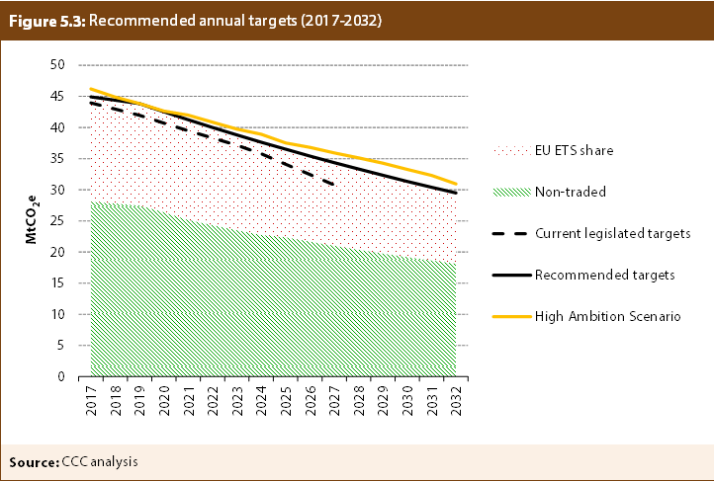

Transport annex 1
...
Series | GB car trips (NTS) | Scotland car trips (NTS)
3 to under 5 miles | 18.99 | 17.8
5 to under 10 miles | 21.08 | 20.69
10 to under 15 miles | 8.66 | 9.07
15 to under 25 miles | 6.65 | 7.85
25 to under 35 miles | 2.44 | 2.92
35 to under 50 miles | 1.62 | 2.03
50 to under 100 miles | 1.6 | 1.46
100 to under 200 miles | 0.67 | 0.43
200 miles + | 0.18 | 0.21

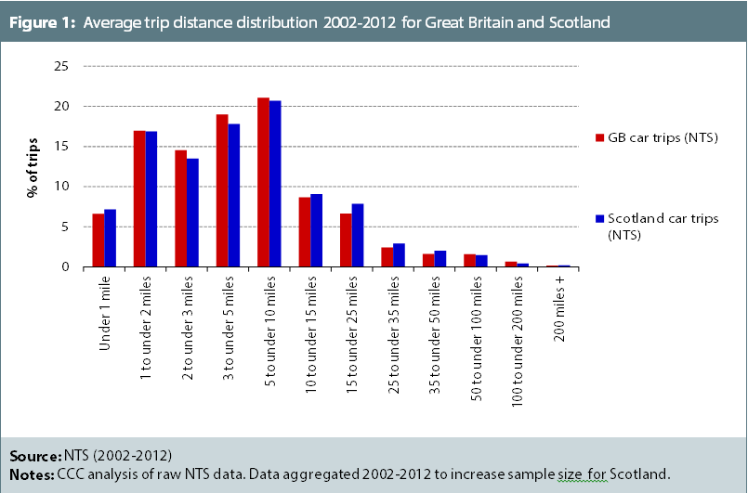

Transport annex 2
...
Series | GB car trips (NTS) | Scotland car trips (SHS)
Under 2 km | 15.97 | 25.9
2 to under 5km | 28.99 | 24.9
5 to under 10km | 21.69 | 19.6
10 to under 15km | 10.52 | 10.2
15 to 20km | 7.08 | 6
20 to 40km | 9.5 | 9.3
40km and over | 6.26 | 4.1

