2.1
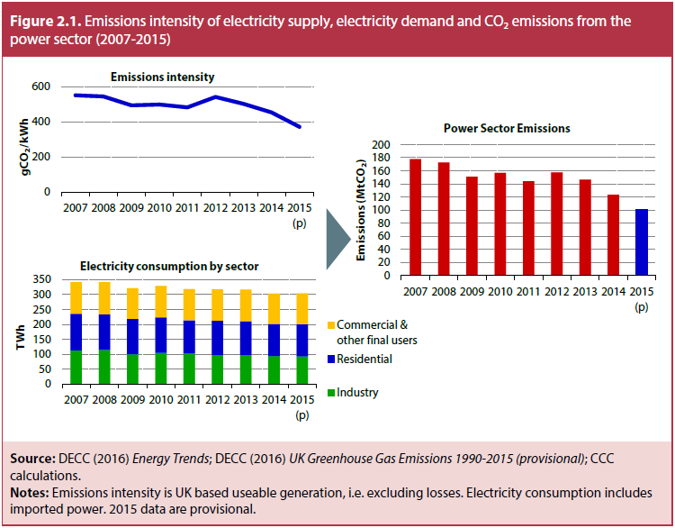
Title | Emissions intensity of electricity supply, electricity demand and CO₂ emissions from the power sector (2007-2015)
Source: | DECC (2016) Energy Trends; DECC (2016) UK Greenhouse Gas Emissions 1990-2015 (provisional); CCC calculations.
Notes: | Emissions intensity is UK based useable generation, i.e. excluding losses. Electricity consumption includes imported power. 2015 data are provisional.

 | Emissions intensity
 |  | 1990 | 1991 | 1992 | 1993 | 1994 | 1995 | 1996 | 1997 | 1998 | 1999 | 2000 | 2001 | 2002 | 2003 | 2004 | 2005 | 2006 | 2007 | 2008 | 2009 | 2010 | 2011 | 2012 | 2013 | 2014 | 2015 (p)
 | gCO₂/kWh | 770.0 | 750.0 | 700.0 | 620.0 | 610.0 | 580.0 | 568.5 | 524.5 | 534.1 | 501.3 | 531.4 | 546.9 | 528.0 | 544.7 | 547.8 | 530.6 | 560.7 | 551.0 | 544.1 | 493.2 | 498.5 | 482.3 | 541.3 | 502.5 | 453.8 | 371.2

 | Electricity consumption
 |  | 1990 | 1991 | 1992 | 1993 | 1994 | 1995 | 1996 | 1997 | 1998 | 1999 | 2000 | 2001 | 2002 | 2003 | 2004 | 2005 | 2006 | 2007 | 2008 | 2009 | 2010 | 2011 | 2012 | 2013 | 2014 | 2015 (p)
 | TWh
 | Industry | 100.6 | 99.6 | 95.3 | 96.8 | 96.1 | 101.8 | 107.6 | 108.1 | 107.2 | 111.0 | 114.1 | 111.3 | 110.2 | 109.3 | 111.5 | 116.0 | 114.9 | 112.8 | 114.2 | 99.7 | 104.5 | 102.4 | 97.8 | 98.0 | 93.4 | 92.1
 | Residential | 93.8 | 98.1 | 99.5 | 100.5 | 101.4 | 102.2 | 107.5 | 104.5 | 109.4 | 110.3 | 111.8 | 115.3 | 120.0 | 123.0 | 124.2 | 125.7 | 124.7 | 123.1 | 119.8 | 118.5 | 118.8 | 111.6 | 114.7 | 113.5 | 108.9 | 108.8
 | Commercial & other final users | 80.0 | 83.4 | 86.7 | 88.8 | 87.8 | 91.9 | 95.4 | 99.9 | 99.1 | 101.5 | 103.5 | 106.0 | 103.2 | 103.9 | 103.3 | 106.9 | 105.6 | 105.8 | 107.9 | 103.5 | 105.4 | 104.0 | 105.1 | 105.8 | 101.2 | 103.1

 | Power sector emissions
 |  | 1990 | 1991 | 1992 | 1993 | 1994 | 1995 | 1996 | 1997 | 1998 | 1999 | 2000 | 2001 | 2002 | 2003 | 2004 | 2005 | 2006 | 2007 | 2008 | 2009 | 2010 | 2011 | 2012 | 2013 | 2014 | 2015 (p)
 | MtCO₂ | 202.9 | 199.5 | 187.5 | 170.1 | 166 | 162.7 | 162.4 | 149.6 | 154.6 | 146.4 | 158 | 168.5 | 164.2 | 173.3 | 172.9 | 172.6 | 181.7 | 177.5 | 172.4 | 150.8 | 156.9 | 144 | 157.7 | 146.6 | 122.9 | 101.50406139

2.2
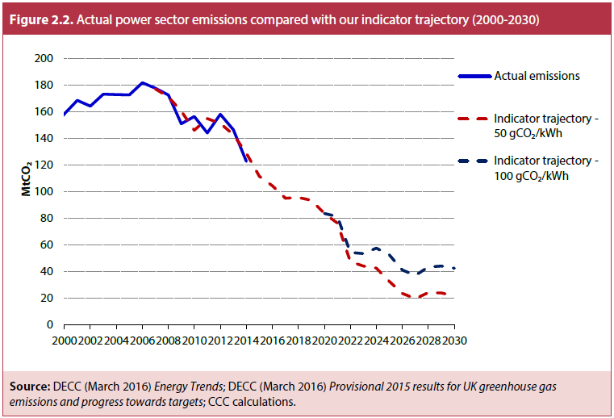
Title | Actual power sector emissions compared with our indicator trajectory (2000-2030)
Source: | DECC (March 2016) Energy Trends; DECC (March 2016) Provisional 2015 results for UK greenhouse gas emissions and progress towards targets; CCC calculations.

 | MtCO₂ | 1990 | 1991 | 1992 | 1993 | 1994 | 1995 | 1996 | 1997 | 1998 | 1999 | 2000 | 2001 | 2002 | 2003 | 2004 | 2005 | 2006 | 2007 | 2008 | 2009 | 2010 | 2011 | 2012 | 2013 | 2014 | 2015 | 2016 | 2017 | 2018 | 2019 | 2020 | 2021 | 2022 | 2023 | 2024 | 2025 | 2026 | 2027 | 2028 | 2029 | 2030
 | Actual emissions | 203.5 | 200.1 | 188.1 | 170.8 | 166.6 | 163.4 | 163.1 | 150.2 | 155.2 | 147.1 | 158.5 | 168.7 | 164.4 | 173.4 | 173.1 | 172.8 | 182.0 | 177.8 | 172.7 | 151.1 | 156.6 | 144.2 | 158.2 | 146.7 | 122.9 | 101.50406139
 | Indicator trajectory - 50 gCO₂/kWh |  |  |  |  |  |  |  |  |  |  |  |  |  |  |  |  |  | 177.3 | 171.3 | 160.5 | 146.2 | 155.1 | 151.3 | 142.9 | 129.0 | 111.6 | 104.5 | 95.0 | 95.6 | 93.5 | 83.6 | 76.4 | 47.4 | 44.1 | 42.5 | 32.4 | 23.4 | 19.6 | 24.2 | 23.8 | 21.7
 | Indicator trajectory - 100 gCO₂/kWh |  |  |  |  |  |  |  |  |  |  |  |  |  |  |  |  |  |  |  |  |  |  |  |  |  |  |  |  |  |  | 83.6 | 81.3 | 54.4 | 53.5 | 57.6 | 52.4 | 41.1 | 37.0 | 43.4 | 44.1 | 42.4

2.3
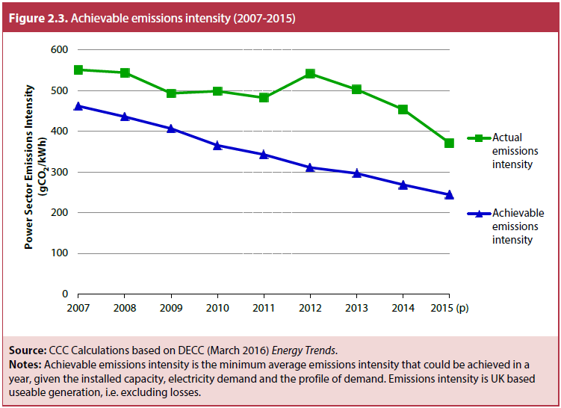
Title | Achievable emissions intensity (2007-2015)
Source: | CCC Calculations based on DECC (March 2016) Energy Trends.
Notes: | Achievable emissions intensity is the minimum average emissions intensity that could be achieved in a year, given the installed capacity, electricity demand and the profile of demand. Emissions intensity is UK based useable generation, i.e. excluding losses.

 | gCO₂/kWh | 2007 | 2008 | 2009 | 2010 | 2011 | 2012 | 2013 | 2014 | 2015 (p)
 | Actual emissions intensity | 551.0 | 544.1 | 493.2 | 498.5 | 482.3 | 541.3 | 502.5 | 453.8 | 371.2
 | Achievable emissions intensity | 462.0 | 435.9 | 406.6 | 365.2 | 342.8 | 311.0 | 296.6 | 268.5 | 244.2

2.4
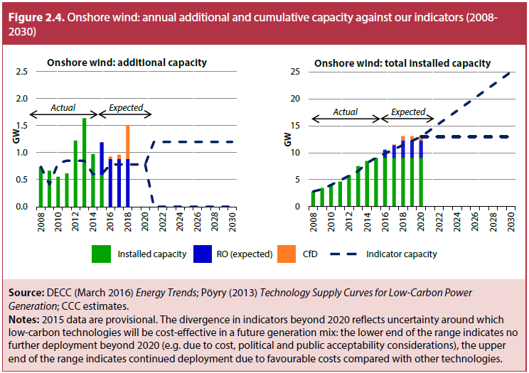
Title | Onshore wind: annual additional and cumulative capacity against our indicators (2008–2030)
Source: | DECC (March 2016) Energy Trends; Pöyry (2013) Technology Supply Curves for Low-Carbon Power Generation; CCC estimates.
Notes: | 2015 data are provisional. The divergence in indicators beyond 2020 reflects uncertainty around which low-carbon technologies will be cost-effective in a future generation mix: the lower end of the range indicates no further deployment beyond 2020 (e.g. due to cost, political and public acceptability considerations), the upper end of the range indicates continued deployment due to favourable costs compared with other technologies.

 | Onshore wind: additional capacity (GW)
 |  | 2008 | 2009 | 2010 | 2011 | 2012 | 2013 | 2014 | 2015 (p) | 2016 | 2017 | 2018 | 2019 | 2020 | 2021 | 2022 | 2023 | 2024 | 2025 | 2026 | 2027 | 2028 | 2029 | 2030
 | Installed capacity | 0.74 | 0.66 | 0.55 | 0.61 | 1.22 | 1.64 | 0.97 | 0.59
 | Indicator capacity | 0.74 | 0.41 | 0.81 | 0.85 | 0.85 | 0.85 | 0.60 | 0.60 | 0.78 | 0.78 | 0.78 | 0.78 | 0.78 | 1.20 | 1.20 | 1.20 | 1.20 | 1.20 | 1.20 | 1.20 | 1.20 | 1.20 | 1.20
 |  |  |  |  |  |  |  |  |  |  |  |  |  | 0.78 | 0 | 0 | 0 | 0 | 0 | 0 | 0 | 0 | 0 | 0
 | Onshore wind: total installed capacity (GW)
 |  |  |  |  |  |  |  | *Revised indicators from 2014 onwards
 | Installed capacity | 2.82 | 3.48 | 4.04 | 4.65 | 5.87 | 7.51 | 8.49 | 9.07
 | Indicator capacity | 2.82 | 3.23 | 4.04 | 4.89 | 5.74 | 6.59 | 8.10 | 9.09 | 9.87 | 10.65 | 11.44 | 12.22 | 13.00 | 14.20 | 15.40 | 16.60 | 17.80 | 19.00 | 20.20 | 21.40 | 22.60 | 23.80 | 25.00
 |  |  |  |  |  |  |  |  |  |  |  |  |  | 13.00 | 13.00 | 13.00 | 13.00 | 13.00 | 13.00 | 13.00 | 13.00 | 13.00 | 13.00 | 13.00

 | Source of New Build Capacity (GW) | 2008 | 2009 | 2010 | 2011 | 2012 | 2013 | 2014 | 2015 (p) | 2016 | 2017 | 2018 | 2019 | 2020 | 2021 | 2022 | 2023 | 2024 | 2025 | 2026 | 2027 | 2028 | 2029 | 2030
 | RO (expected) | 0 | 0 | 0 | 0 | 0 | 0 | 0 | 0.60 | 0.88 | 0.88 | 0.88
 | CfD | 0 | 0 | 0 | 0 | 0 | 0 | 0 | 0.00 | 0.05 | 0.08 | 0.63
 | Installed capacity | 0 | 0 | 0 | 0 | 0 |  | 0 | 0.00 | 9.07 | 10.00 | 10.96 | 12.47 | 12.47

2.5
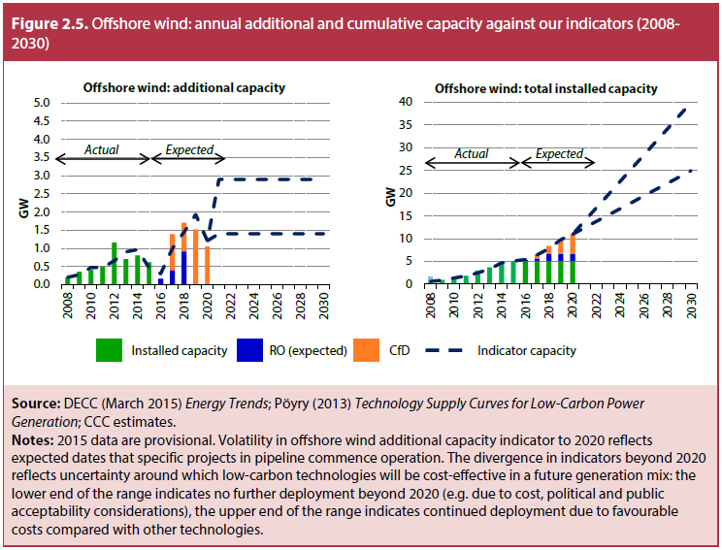
Title | Offshore wind: annual additional and cumulative capacity against our indicators (2008–2030)
Source: | DECC (March 2016) Energy Trends; Pöyry (2013) Technology Supply Curves for Low-Carbon Power Generation; CCC estimates.
Notes: | 2015 data are provisional. Volatility in offshore wind additional capacity indicator to 2020 reflects expected dates that specific projects in pipeline commence operation. The divergence in indicators beyond 2020 reflects uncertainty around which low-carbon technologies will be cost-effective in a future generation mix: the lower end of the range indicates no further deployment beyond 2020 (e.g. due to cost, political and public acceptability considerations), the upper end of the range indicates continued deployment due to favourable costs compared with other technologies.

 | Offshore wind: additional capacity (GW)
 |  | 2008 | 2009 | 2010 | 2011 | 2012 | 2013 | 2014 | 2015 (p) | 2016 | 2017 | 2018 | 2019 | 2020 | 2021 | 2022 | 2023 | 2024 | 2025 | 2026 | 2027 | 2028 | 2029 | 2030
 | Installed capacity | 0.19 | 0.36 | 0.40 | 0.50 | 1.16 | 0.70 | 0.81 | 0.62
 | Indicator capacity | 0.20 | 0.27 | 0.47 | 0.46 | 0.65 | 0.90 | 0.97 | 0.46 | 0.30 | 0.99 | 1.45 | 1.93 | 1.21 | 2.90 | 2.90 | 2.90 | 2.90 | 2.90 | 2.90 | 2.90 | 2.90 | 2.90 | 2.90
 |  |  |  |  |  |  |  |  |  |  |  |  |  | 1.21 | 1.40 | 1.40 | 1.40 | 1.40 | 1.40 | 1.40 | 1.40 | 1.40 | 1.40 | 1.40
 | Offshore wind: total installed capacity (GW) |  |  |  |  |  |  | *Revised Indicators as of 2014
 |  | 2008 | 2009 | 2010 | 2011 | 2012 | 2013 | 2014 | 2015 (p) | 2016 | 2017 | 2018 | 2019 | 2020 | 2021 | 2022 | 2023 | 2024 | 2025 | 2026 | 2027 | 2028 | 2029 | 2030
 | Installed capacity | 0.59 | 0.94 | 1.34 | 1.84 | 3.00 | 3.70 | 4.50 | 5.12
 | Indicator capacity | 0.60 | 0.87 | 1.34 | 1.81 | 2.46 | 3.36 | 4.66 | 5.12 | 5.42 | 6.41 | 7.86 | 9.79 | 11.00 | 13.90 | 16.80 | 19.70 | 22.60 | 25.50 | 28.40 | 31.30 | 34.20 | 37.10 | 40.00
 |  |  |  |  |  |  |  |  |  |  |  |  |  | 11.00 | 12.40 | 13.80 | 15.20 | 16.60 | 18.00 | 19.40 | 20.80 | 22.20 | 23.60 | 25.00

 | Source of New Build Capacity (GW) | 2008 | 2009 | 2010 | 2011 | 2012 | 2013 | 2014 | 2015 (p) | 2016 | 2017 | 2018 | 2019 | 2020 | 2021 | 2022 | 2023 | 2024 | 2025 | 2026 | 2027 | 2028 | 2029 | 2030
 | RO (expected) |  |  |  |  |  |  | 0 |  | 0.16 | 0.40 | 0.92 | 0.00 | 0.00
 | CfD |  |  |  |  |  |  |  |  |  | 0.99 | 0.79 | 1.52 | 1.05
 | Installed capacity | 0 | 0 | 0 | 0 | 0 | 0 | 0 | 5.12 | 5.12 | 5.28 | 6.67 | 8.37 | 9.89 | 10.94

2.6
Title | Annual additional generation from new build low-carbon capacity, 2010-2030
Source: | DECC (2016) Energy Trends, Low Carbon Contracts Company (2016) CfD Register, DECC (2016) Renewable Energy Planning Database, CCC (2015) Power Sector Scenarios for the Fifth Carbon Budget.
Notes: | Generation estimates between 2010-2015 are based on average load factors of existing capacity. Estimates between 2016-2020 are based on our expectations of deployment under the Renewables Obligation and Contracts for Difference, and generation estimates beyond 2020 are net additions of new low-carbon capacity based on our Fifth Carbon Budget scenarios.

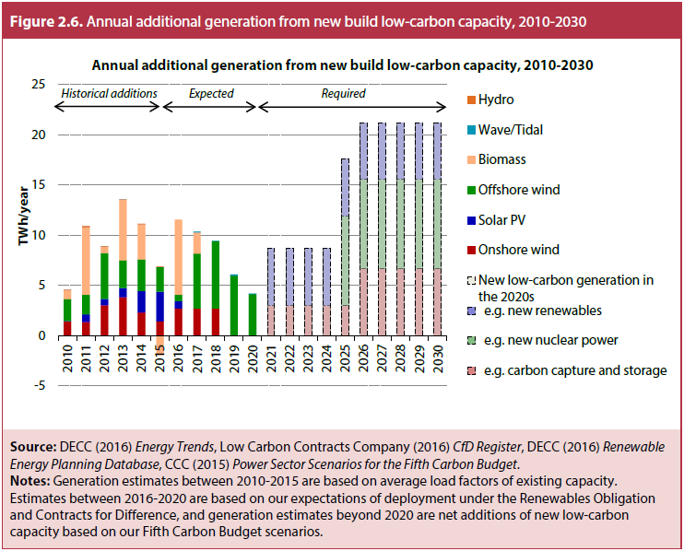
 | Capacity (GW) | Installed Capacity |  |  |  |  |  |  | Estimates to 2020 |  |  |  |  | CCC Power Sector Scenarios
 |  | 2009 | 2010 | 2011 | 2012 | 2013 | 2014 | 2015 | 2016 | 2017 | 2018 | 2019 | 2020 | 2021 | 2022 | 2023 | 2024 | 2025 | 2026 | 2027 | 2028 | 2029 | 2030
 | Onshore | 3.5 | 4.1 | 4.6 | 5.9 | 7.5 | 8.5 | 9.1 | 10.2 | 11.3 | 12.5 | 12.5 | 12.5 | 12.9 | 13.4 | 13.8 | 14.3 | 14.7 | 15.2 | 15.6 | 16.1 | 16.5 | 17.0
 | Solar | 0.0 | 0.1 | 1.0 | 1.8 | 2.9 | 5.4 | 8.9 | 9.8 | 9.8 | 9.8 | 9.8 | 9.8 | 10.8 | 11.9 | 12.9 | 13.9 | 14.9 | 15.9 | 16.9 | 18.0 | 19.0 | 20.0
 | Offshore | 1.0 | 1.3 | 1.8 | 3.0 | 3.7 | 4.5 | 5.1 | 5.3 | 6.7 | 8.4 | 9.9 | 10.9 | 11.2 | 12.2 | 13.1 | 14.1 | 15.1 | 16.1 | 17.1 | 18.0 | 19.0 | 20.0
 | Biomass | 0.9 | 1.1 | 2.0 | 2.1 | 3.0 | 3.5 | 3.2 | 4.3 | 4.6 | 4.6 | 4.6 | 4.6 | 4.4 | 4.3 | 4.2 | 4.1 | 4.0 | 3.9 | 3.8 | 3.7 | 3.5 | 3.4
 | Wave/Tidal | 0.0 | 0.0 | 0.0 | 0.0 | 0.0 | 0.0 | 0.0 | 0.0 | 0.0 | 0.1 | 0.1 | 0.1 | 0.2 | 0.3 | 0.3 | 0.4 | 0.5 | 0.6 | 0.7 | 0.8 | 0.8 | 0.9
 | Hydro | 1.6 | 1.6 | 1.7 | 1.7 | 1.7 | 1.7 | 1.7 | 1.7 | 1.7 | 1.7 | 1.7 | 1.7 | 1.7 | 1.7 | 1.7 | 1.7 | 1.7 | 1.7 | 1.7 | 1.7 | 1.7 | 1.7
 | CCS |  |  |  |  |  |  | 0 | 0 | 0 | 0 | 0 | 0.6 | 0.6 | 1.2 | 1.5 | 1.5 | 2.1 | 3.3 | 4.1 | 5.6 | 7.0 | 7.0
 | New nuclear |  |  |  |  |  |  | 0 | 0 | 0 | 0 | 0 | 0 | 0 | 0 | 0 | 0 | 3.2 | 3.2 | 4.9 | 4.9 | 6.7 | 6.7

 | Total Generation (TWh/year) | Installed Capacity |  |  |  |  |  |  | Estimates to 2020 |  |  |  |  | CCC Power Sector Scenarios
 |  | 2009 | 2010 | 2011 | 2012 | 2013 | 2014 | 2015 | 2016 | 2017 | 2018 | 2019 | 2020 | 2021 | 2022 | 2023 | 2024 | 2025 | 2026 | 2027 | 2028 | 2029 | 2030
 | Onshore | 8.2 | 9.6 | 10.9 | 14.0 | 17.8 | 20.1 | 21.5 | 24.1 | 26.8 | 29.5 | 29.5 | 29.5 | 30.6 | 31.6 | 32.7 | 33.8 | 34.9 | 35.9 | 37.0 | 38.1 | 39.1 | 40.2
 | Solar | 0.0 | 0.1 | 0.8 | 1.5 | 2.4 | 4.5 | 7.5 | 8.3 | 8.3 | 8.3 | 8.3 | 8.3 | 9.1 | 10.0 | 10.9 | 11.7 | 12.6 | 13.4 | 14.3 | 15.2 | 16.0 | 16.9
 | Offshore | 3.1 | 5.3 | 7.2 | 11.8 | 14.6 | 17.7 | 20.2 | 20.8 | 26.3 | 33.0 | 39.0 | 43.1 | 44.1 | 47.9 | 51.8 | 55.7 | 59.5 | 63.4 | 67.3 | 71.1 | 75.0 | 78.8
 | Biomass | 6.6 | 7.5 | 14.2 | 14.9 | 20.9 | 24.4 | 22.4 | 29.8 | 31.9 | 31.9 | 31.9 | 31.9 | 31.2 | 30.4 | 29.6 | 28.8 | 28.0 | 27.2 | 26.4 | 25.6 | 24.8 | 24.0
 | Wave/Tidal | 0.0 | 0.0 | 0.0 | 0.0 | 0.0 | 0.0 | 0.0 | 0.0 | 0.1 | 0.1 | 0.2 | 0.3 | 0.3 | 0.5 | 0.6 | 0.8 | 1.1 | 1.2 | 1.5 | 1.6 | 1.8 | 2.0
 | Hydro | 4.9 | 4.9 | 5.0 | 5.0 | 5.1 | 5.1 | 5.2 | 5.2 | 5.2 | 5.2 | 5.2 | 5.2 | 5.2 | 5.2 | 5.2 | 5.2 | 5.2 | 5.2 | 5.2 | 5.2 | 5.2 | 5.2
 | CCS | 0.0 | 0.0 | 0.0 | 0.0 | 0.0 | 0.0 | 0.0 | 0.0 | 0.0 | 0.0 | 0.0 | 4.4 | 4.4 | 8.3 | 10.3 | 10.3 | 14.4 | 22.6 | 28.1 | 38.4 | 47.9 | 47.9
 | New nuclear |  |  |  |  |  |  |  |  |  |  |  | 0.0 | 0.0 | 0.0 | 0.0 | 0.0 | 25.5 | 25.5 | 38.7 | 38.7 | 53.1 | 53.1

 | New generation (TWh/year) | Installed Capacity |  |  |  |  |  |  | Estimates to 2020 |  |  |  |  | CCC Power Sector Scenarios
 |  | 2009 | 2010 | 2011 | 2012 | 2013 | 2014 | 2015 | 2016 | 2017 | 2018 | 2019 | 2020 | 2021 | 2022 | 2023 | 2024 | 2025 | 2026 | 2027 | 2028 | 2029 | 2030
 | Onshore wind | 0.0 | 1.4 | 1.3 | 3.0 | 3.8 | 2.3 | 1.4 | 2.7 | 2.7 | 2.7 | 0.0 | 0.0 | 1.1 | 1.1 | 1.1 | 1.1 | 1.1 | 1.1 | 1.1 | 1.1 | 1.1 | 1.1
 | Solar PV | 0.0 | 0.1 | 0.8 | 0.6 | 0.9 | 2.1 | 3.0 | 0.8 | 0.0 | 0.0 | 0.0 | 0.0 | 0.9 | 0.9 | 0.9 | 0.9 | 0.9 | 0.9 | 0.9 | 0.9 | 0.9 | 0.9
 | Offshore wind | 0.0 | 2.2 | 2.0 | 4.6 | 2.8 | 3.2 | 2.4 | 0.6 | 5.5 | 6.7 | 6.0 | 4.1 | 0.9 | 3.9 | 3.9 | 3.9 | 3.9 | 3.9 | 3.9 | 3.9 | 3.9 | 3.9
 | Biomass | 0.0 | 0.9 | 6.7 | 0.6 | 6.0 | 3.5 | -2.0 | 7.5 | 2.1 | 0.0 | 0.0 | 0.0 | -0.8 | -0.8 | -0.8 | -0.8 | -0.8 | -0.8 | -0.8 | -0.8 | -0.8 | -0.8
 | Wave/Tidal | 0.0 | 0.0 | 0.0 | 0.0 | 0.0 | 0.0 | 0.0 | 0.0 | 0.1 | 0.0 | 0.1 | 0.0 | 0.0 | 0.2 | 0.1 | 0.2 | 0.3 | 0.2 | 0.2 | 0.2 | 0.2 | 0.2
 | Hydro | 0.0 | 0.0 | 0.1 | 0.0 | 0.0 | 0.0 | 0.1 | 0.0 | 0.0 | 0.0 | 0.0 | 0.0 | 0.0 | 0.0 | 0.0 | 0.0 | 0.0 | 0.0 | 0.0 | 0.0 | 0.0 | 0.0
 | New low-carbon generation in the 2020s |  |  |  |  |  |  |  |  |  |  |  |  | 8.7 | 8.7 | 8.7 | 8.7 | 17.5 | 21.2 | 21.2 | 21.2 | 21.2 | 21.2
 | e.g. new renewables |  |  |  |  |  |  |  |  |  |  |  |  | 5.7 | 5.7 | 5.7 | 5.7 | 5.7 | 5.7 | 5.7 | 5.7 | 5.7 | 5.7
 | e.g. carbon capture and storage |  |  |  |  |  |  |  |  |  |  |  |  | 3.0 | 3.0 | 3.0 | 3.0 | 3.0 | 6.7 | 6.7 | 6.7 | 6.7 | 6.7
 | e.g. new nuclear power |  |  |  |  |  |  |  |  |  |  |  |  |  |  |  |  | 8.8 | 8.8 | 8.8 | 8.8 | 8.8 | 8.8

2.7 & A2.4
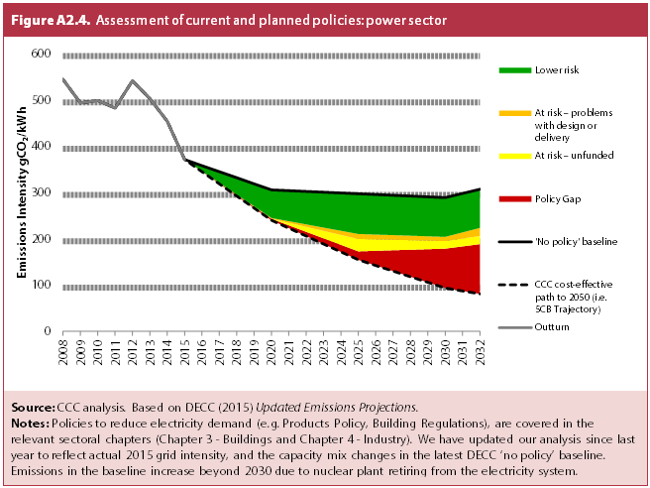
Title | Assessment of current and planned policies: power sector
Source: | CCC analysis based on DECC (2015) Updated Emissions Projections.
Notes: | Policies to reduce electricity demand (e.g. Products Policy, Building Regulations), are covered in the relevant sectoral chapters (Chapter 3 - Buildings and Chapter 4 - Industry). We have updated our analysis since last year to reflect actual 2015 grid intensity, and the capacity mix changes in the latest DECC ‘no policy’ baseline. Emissions in the baseline increase beyond 2030 due to nuclear plant retiring from the electricity system.

 | gCO₂/kWh | 2008 | 2009 | 2010 | 2011 | 2012 | 2013 | 2014 | 2015 | 2016 | 2017 | 2018 | 2019 | 2020 | 2021 | 2022 | 2023 | 2024 | 2025 | 2026 | 2027 | 2028 | 2029 | 2030 | 2031 | 2032
 | Outturn | 544 | 493 | 498 | 482 | 541 | 503 | 454 | 371 | 0 | 0 | 0 | 0 | 0 | 0 | 0 | 0 | 0 | 0 | 0 | 0 | 0 | 0 | 0 | 0 | 0
 | 'No policy' baseline | 544 | 493 | 498 | 482 | 541 | 503 | 454 | 371 | 358 | 345 | 332 | 319 | 306 | 304 | 302 | 301 | 299 | 297 | 296 | 294 | 292 | 291 | 289 | 298 | 307
 | Lower risk | 0 | 0 | 0 | 0 | 0 | 0 | 0 | 0 | 12 | 24 | 36 | 49 | 61 | 66 | 71 | 76 | 82 | 87 | 86 | 86 | 86 | 85 | 85 | 84 | 84
 | At risk – problems with design or delivery | 0 | 0 | 0 | 0 | 0 | 0 | 0 | 0 | 0 | 1 | 1 | 1 | 2 | 4 | 5 | 7 | 9 | 11 | 10 | 10 | 10 | 9 | 9 | 13 | 17
 | At risk – unfunded | 0 | 0 | 0 | 0 | 0 | 0 | 0 | 0 | 0 | 0 | 0 | 0 | 0 | 5 | 11 | 16 | 21 | 27 | 25 | 23 | 21 | 18 | 16 | 17 | 18
 | Policy Gap | 0 | 0 | 0 | 0 | 0 | 0 | 0 | 0 | 1 | 1 | 2 | 2 | 3 | 6 | 9 | 12 | 15 | 18 | 32 | 45 | 58 | 72 | 85 | 96 | 107
 | CCC cost-effective path to 2050 (i.e. 5CB Trajectory) | 544 | 493 | 498 | 482 | 541 | 503 | 454 | 371 | 345 | 319 | 292 | 266 | 240 | 223 | 206 | 189 | 172 | 155 | 142 | 130 | 118 | 106 | 94 | 87 | 81
 | CCC cost-effective path to 2050 (i.e. 5CB Trajectory) | 544 | 493 | 498 | 482 | 541 | 503 | 454 | 371 | 345 | 319 | 293 | 267 | 241 | 224 | 207 | 189 | 172 | 155 | 143 | 131 | 118 | 106 | 94 | 87 | 81

A2.1 & A2.2
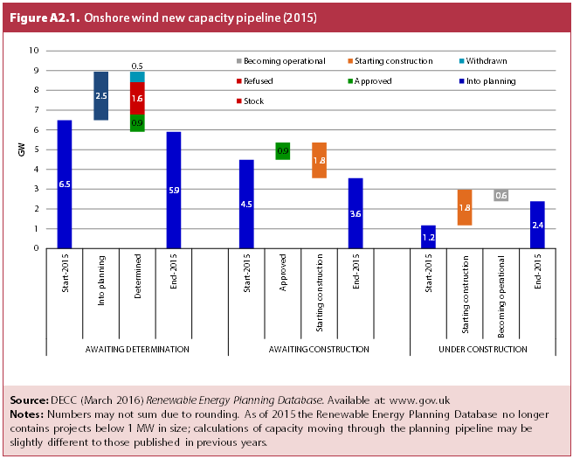
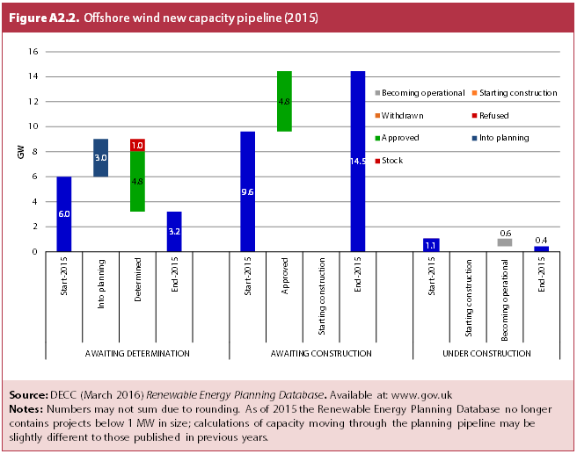
Title | New capacity pipelines for onshore and offshore wind (2015)
Source: | DECC (March 2016) Renewable Energy Planning Database. Available at: www.gov.uk
Notes: | Numbers may not sum due to rounding. As of 2015 the Renewable Energy Planning Database no longer contains projects below 1 MW in size; calculations of capacity moving through the planning pipeline may be slightly different to those published in previous years.

 | Onshore wind
 |  | AWAITING DETERMINATION |  |  |  | AWAITING CONSTRUCTION |  |  |  | UNDER CONSTRUCTION
 |  | Start-2015 | Into planning | Determined | End-2015 | Start-2015 | Approved | Starting construction | End-2015 | Start-2015 | Starting construction | Becoming operational | End-2015

 | Stock | 6.49 | 6.49 |  | 5.90 | 4.48 | 4.48 |  | 3.56 | 1.17 | 1.17 | 2.38 | 2.38
 | Into planning |  | 2.46 | 5.90 |  |  |  | 3.56
 | Approved |  |  | 0.88 |  |  | 0.88
 | Refused |  |  | 1.64
 | Withdrawn |  |  | 0.53
 | Starting construction |  |  | - |  |  |  | 1.80 |  |  | 1.80
 | Becoming operational |  |  | - |  |  |  |  |  |  |  | 0.59

 | Offshore wind
 |  | AWAITING DETERMINATION |  |  |  | AWAITING CONSTRUCTION |  |  |  | UNDER CONSTRUCTION
 |  | Start-2015 | Into planning | Determined | End-2015 | Start-2015 | Approved | Starting construction | End-2015 | Start-2015 | Starting construction | Becoming operational | End-2015

 | Stock | 6.01 | 6.01 | 3.22 | 3.22 | 9.63 | 9.63 | 14.46 | 14.46 | 1.05 | 1.05 | 0.44 | 0.44
 | Into planning |  | 3.01
 | Approved |  |  | 4.83 |  |  | 4.83
 | Refused |  |  | 0.97
 | Withdrawn |  |  | -
 | Starting construction |  |  | - |  |  |  | - |  |  | -
 | Becoming operational |  |  | - |  |  |  |  |  |  |  | 0.62

A2.3
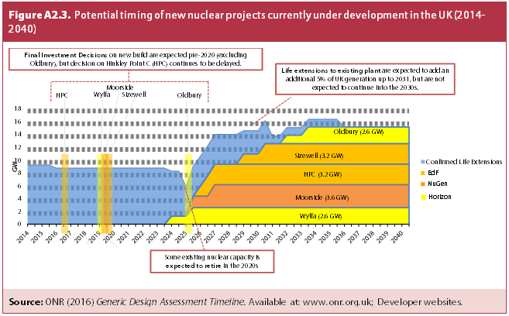
Title | Potential timing of new nuclear projects currently under development in the UK (2014-2040)
Source: | ONR (2016) Generic Design Assessment Timeline. Available at: www.onr.org.uk; Developer websites.

