Chapter 1
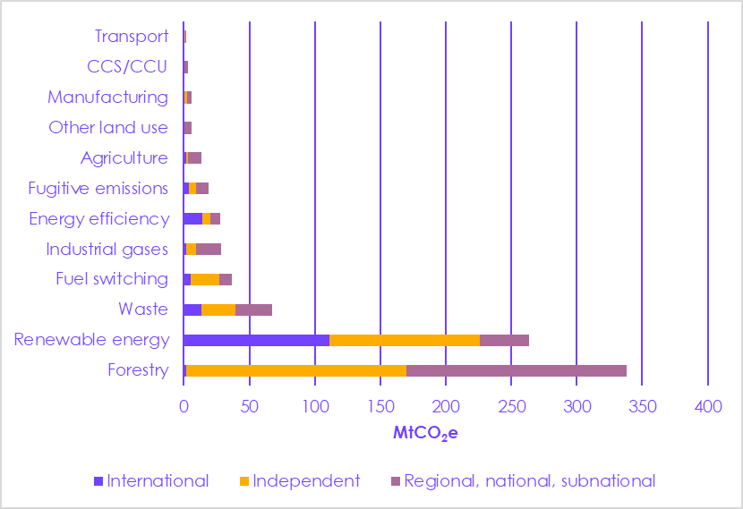
Figure 1.1 Breakdown of carbon credits issued from 2015- 2019 |  |  | International | Independent | Regional, national, subnational
 |  | Forestry | 2 | 168 | 168
 |  | Renewable energy | 111 | 115 | 38
 |  | Waste | 13 | 26 | 28
 |  | Fuel switching | 6 | 22 | 9
 |  | Industrial gases | 2 | 8 | 19
 |  | Energy efficiency | 14 | 6 | 7
 |  | Fugitive emissions | 4 | 5 | 10
 |  | Agriculture | 1 | 1 | 10
 |  | Other land use | 0 | 0 | 6
 |  | Manufacturing | 0 | 3 | 3
 |  | CCS/CCU | 0 | 0 | 3
 |  | Transport | 0 | 0 | 0

Source: World Bank Group (2020) States and Trends of Carbon Pricing.

Figure 1.2 Estimated growth in market size of global VCO markets by value and volume
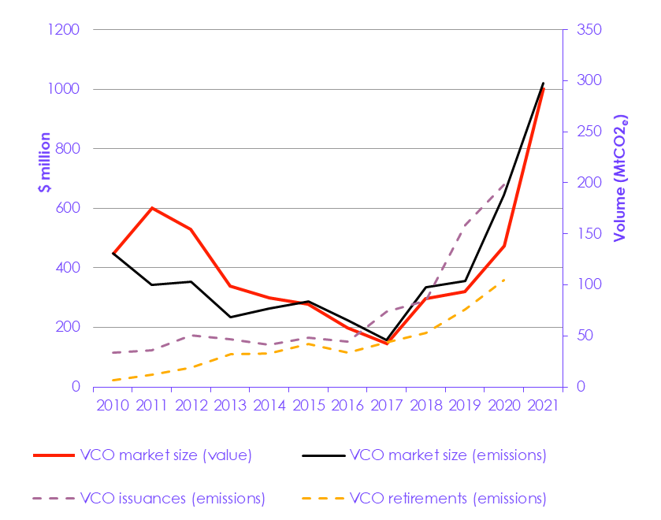

 |  |  | 2010 | 2011 | 2012 | 2013 | 2014 | 2015 | 2016 | 2017 | 2018 | 2019 | 2020 | 2021
 |  | VCM size (value) | 444 | 602 | 530 | 339 | 298 | 278 | 199 | 146 | 296 | 320 | 520 | 1985
 |  | VCM size (emissions) | 131 | 100 | 103 | 68 | 77 | 84 | 65 | 46 | 98 | 104 | 188 | 298
 |  | Issuances (emissions) | 34 | 36 | 50 | 47 | 42 | 48 | 45 | 74 | 85 | 158 | 198
 |  | Retirements (emissions) | 7 | 12 | 19 | 32 | 33 | 42 | 34 | 44 | 53 | 76 | 104

Notes: Market size shows volume of credits traded in a given year. Iissuances shows the number of credits that, having been verified, were issued with a unique serial number and can be purchased. Rretirements shows the number of issued credits that were was ‘used’ or claimed by their owner. All figures are estimates. Market volume is weighted based on market data reported by Ecosystem Marketplace respondents. Proportion of greenhouse gas emissions is calculated using World Bank data for global emissions. Source: Ecosystem Marketplace (2021) State of the Voluntary Carbon Markets. World Bank data (2022) Total greenhouse gas emissions.

Figure 1.3 Emissions coverage of VCMs compared to compliance regimes globally
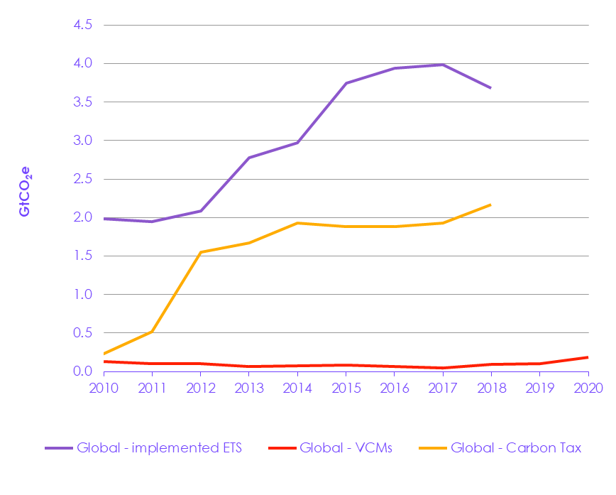
 |  |  | 2010 | 2011 | 2012 | 2013 | 2014 | 2015 | 2016 | 2017 | 2018 | 2019 | 2020

 |  | Global - implemented ETS | 2.0 | 1.9 | 2.1 | 2.8 | 3.0 | 3.8 | 3.9 | 4.0 | 3.7
 |  | Global - VCMs | 0.1 | 0.1 | 0.1 | 0.1 | 0.1 | 0.1 | 0.1 | 0.0 | 0.1 | 0.1 | 0.2
 |  | Global - Carbon Tax | 0.2 | 0.5 | 1.5 | 1.7 | 1.9 | 1.9 | 1.9 | 1.9 | 2.2

Source: World Bank published datasets on carbon pricing and ETS. EDGAR data on greenhouse gas emissions. Ecosystems Marketplace data on VCMs.

Figure 1.4 Published projections of future range of global demand for 'offsetting' to 2050

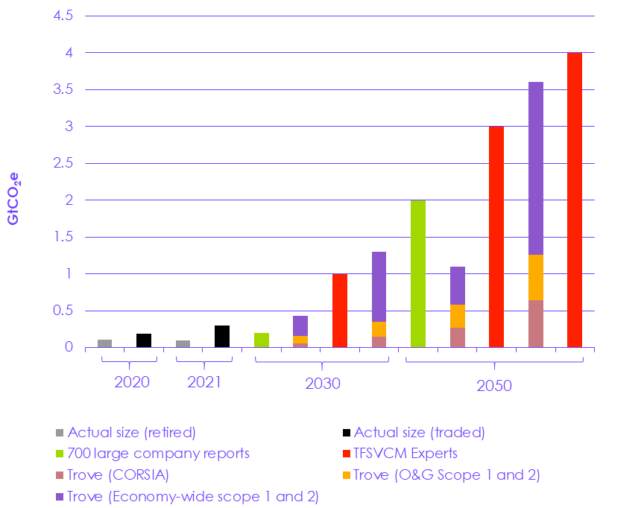

 |  |  |  |  | Actual size | 700 large company reports | TFSVCM Experts | Trove (CORSIA) | Trove (O&G Scope 1 and 2) | Trove (Economy-wide scope 1 and 2)
 | 2020 | Retired |  |  | 0.10
 | 2020 | Traded |  |  | 0.19
 | 2021 | Retired |  |  | 0.10
 | 2021 | Traded |  |  | 0.30
 | 2030 | 700 large company commitments |  |  |  | 0.20
 | 2030 | Trove lower |  |  |  |  |  | 0.06 | 0.10 | 0.27
 | 2030 | TFSVCM experts |  |  |  |  | 1.00
 | 2030 | Trove upper |  |  |  |  |  | 0.15 | 0.20 | 0.95
 | 2050 | 700 comp |  |  |  | 2.00
 | 2050 | Trove lower |  |  |  |  |  | 0.27 | 0.31 | 0.52
 | 2050 | TFSVCM experts (lower) |  |  |  |  | 3.00
 | 2050 | Trove upper |  |  |  |  |  | 0.64 | 0.62 | 2.34
 | 2050 | TFSVCM experts (higher) |  |  |  |  | 4.00
Notes: The assumptions underpinning these estimates are considerable and may not hold, especially as many are based on non-binding corporate targets. However, they give an indication of a range of expectations for the VCM. Data from 700 company targets was collected by McKinsey & Company and presented as a lower bound, as it does not cover all companies and does not account for possible growth in commitments. We do not have access to the data used for the 700 company targets. Projections from Trove are split into three categories: (1) estimating offset demand from CORSIA (2) estimating offsetting demand from European oil and gas company scope 1 and 2 emissions (3) estimating a minimum future demand for offsetting based on the 368 firms out of the CDP database with Net Zero commitments – assuming the residual emission are offset. Trove estimate a lower and upper bound for each segment of future demand, hence why we show two columns for Trove. Projections from TFSVCM are based on a TFSVCM survey with subject matter experts. We took an average of the upper and lower bound of these projections for 2050. Source: Trove Insights (2021) Future Size of the Voluntary Carbon Market, Mckinsey (2021) A Blueprint for scaling voluntary carbon markets to meet the climate challenge. Ecosystems Marketplace (2021).

Figure 1.5 Carbon credit price comparison
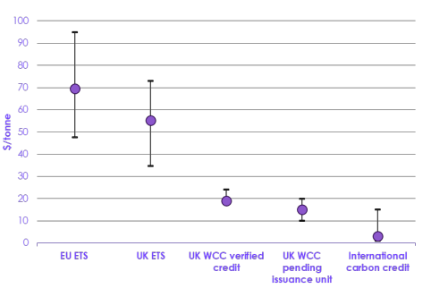

 |  |  | Lower end | Upper end | Mean
 |  | EU ETS | 48 | 95 | 70
 |  | UK ETS | 35 | 73 | 55
 |  | UK WCC verified credit | 17 | 24 | 19
 |  | UK WCC pending issuance unit | 10 | 20 | 15
 |  | International carbon credit | 1 | 15 | 3

Note: ETS price range is based on price data from May 2021-July 2022. International carbon credit data is based on price data for 2021. Woodland Carbon Code (WCC) price data is based information published by the Woodland Carbon Code on their website. The lower and upper bounds for the UK WCC verified credit show the lowest and highest auction average prices across 2020-2021, as data was not available on standalone lower and upper prices. Source: EU Carbon Price Tracker (2022); Research commissioned by the CCC; Ecosystem Marketplace (2021) State of the Voluntary Carbon Markets. World Bank data (2022) Total greenhouse gas emissions

Chapter 3
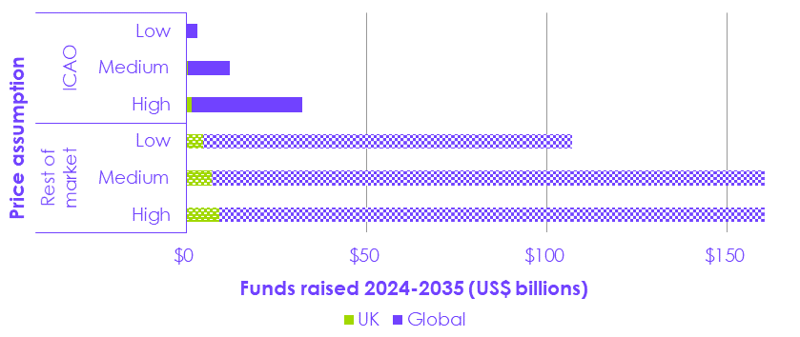
Figure B3.1 Potential funds raised through offsets under CORSIA
 |  |  | UK | Global
 | Rest of market | High | $9.21 | $204.99
 |  | Medium | $6.91 | $153.74
 |  | Low | $4.61 | $102.49
 | ICAO | High | $1.38 | $30.75
 |  | Medium | $0.52 | $11.52
 |  | Low | $0.13 | $2.97

Notes: L Low, Medium and high ICAO values are based on global emissions covered by CORSIA (under the old 2019/20 baseline) 2024-2035 multiplied by the ICAO's expected ‘offset’ price in 2026 ($). Note this has not been updated to reflect the new baseline agreed at the 41st ICAO General Assembly in October 2022 of 85% of 2019 emissions. The 'rest of market' uses a range of prices from The Commission on Carbon Pricing's 2030 scenarios Source: ICAO (2022) Analyses in Support of the 2022 CORSIA Periodic Review; ICAO (2021) Update to Scenario Based Analyses of Potential Impacts of Covid-19 on CORSIA; Carbon Pricing Leadership Coalition (2017) Report of the High-Level Commission on Carbon Prices; ICAO (2012-2020) The World of Air Transport; CCC analysis.

Figure 3.1 Comparing estimated projections of VCM funding with global annual funding priorities
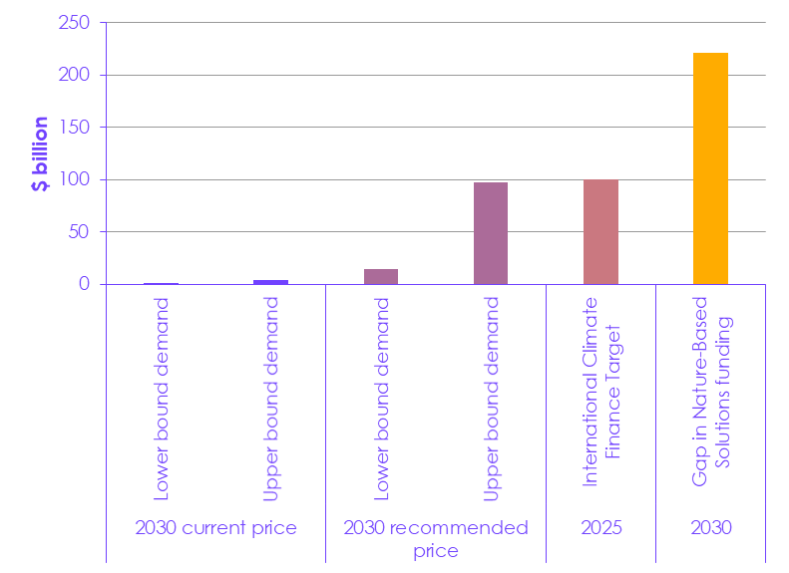
 | Price | Source | Demand
 | 2030 current price | Lower bound demand | 0.6
 |  | Upper bound demand | 4.1
 | 2030 recommended price | Lower bound demand | 15
 |  | Upper bound demand | 97.5
 | 2025 | International Climate Finance Target | 100
 | 2030 | Gap in Nature-Based Solutions funding | 221

Notes: To estimate maximum VCO financial flows in 2030, we took the highest estimate of the volume of VCO demand and the lowest estimate of the volume of VCO demand (see Figure X.X). For current prices we assumed an average price of $3/tonne, and for recommended price we assumed a price of $75/tonne, based on the average recommended carbon price by the Carbon Pricing Leadership Coalition’s High Commission on Carbon Prices. It is important to note the red upper bound requires a lot of assumptions: that the very upper bound of suggested VCO demand is achieved (whose assumptions rest on non-binding corporate commitments, assumptions about CORSIA) and that the VCO price increases significantly and across the board. Source: State of Finance for Nature, 2021, UNEP; UNFCCC (2022) Climate Finance in Negotiations; Report of the High-Level Commission on Carbon Prices (2017); Trove Insights (2021) Future Size of the Voluntary Carbon Market, Mckinsey (2021) A Blueprint for scaling voluntary carbon markets to meet the climate challenge. Ecosystems Marketplace (2021).

Figure 3.2 UK residual emissions from different sectors in 2050
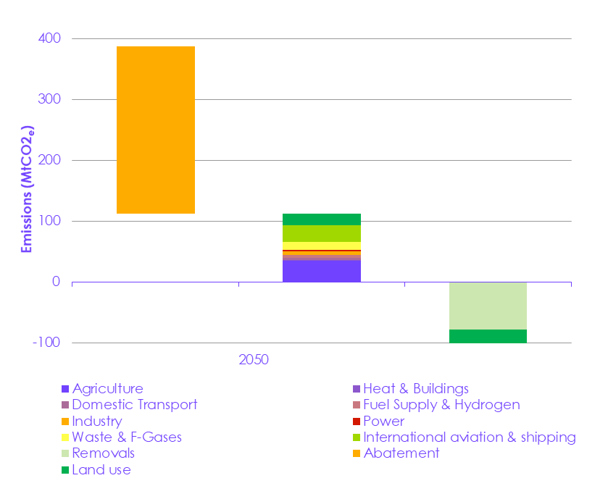
 |  | Agriculture | Heat & Buildings | Domestic Transport | Fuel Supply & Hydrogen | Industry | Power | Waste & F-Gases | International aviation & shipping | Removals | Abatement | Land use
 | 2050 |  |  |  |  |  |  |  |  |  | 274
 |  | 35 | 1 | 4 | 4 | 7 | 2 | 13 | 28 |  |  | 20
 |  |  |  |  |  |  |  |  |  | -78 |  | -39

Notes: Most of the abatement ‘chunks’ are based on the Net Zero Strategy Technical Annex. We used Sixth Carbon Budget data to split general land use & agriculture into distinct agriculture and land use categories. Source: UK Net Zero Strategy Technical Annexes (2021); CCC Sixth Carbon Budget (2020)

Figure 3.3 Additional capital investment needed for removals and land-based sinks in the CCC pathway
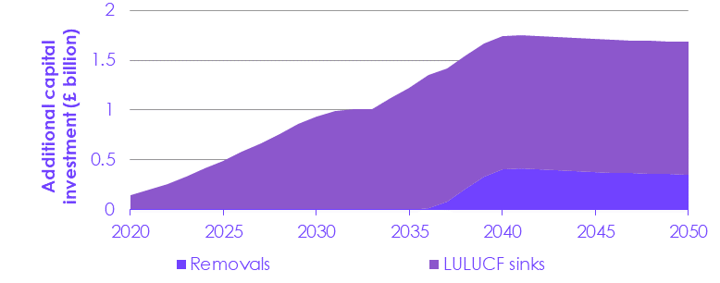
 |  | 2020 | 2021 | 2022 | 2023 | 2024 | 2025 | 2026 | 2027 | 2028 | 2029 | 2030 | 2031 | 2032 | 2033 | 2034 | 2035 | 2036 | 2037 | 2038 | 2039 | 2040 | 2041 | 2042 | 2043 | 2044 | 2045 | 2046 | 2047 | 2048 | 2049 | 2050
 | Removals | 0 | 0 | 0 | 0 | 0 | 0 | 0 | 0 | 0 | 0 | 0 | 0 | 0 | 0 | 0 | 0 | 0 | 0.1 | 0.2 | 0.3 | 0.4 | 0.4 | 0.4 | 0.4 | 0.4 | 0.4 | 0.4 | 0.4 | 0.4 | 0.4 | 0.4
 | LULUCF sinks | 0.1 | 0.2 | 0.3 | 0.3 | 0.4 | 0.5 | 0.6 | 0.7 | 0.8 | 0.9 | 0.9 | 1 | 1 | 1 | 1.1 | 1.2 | 1.3 | 1.3 | 1.3 | 1.3 | 1.3 | 1.3 | 1.3 | 1.3 | 1.3 | 1.3 | 1.3 | 1.3 | 1.3 | 1.3 | 1.3

Source: CCC Sixth Carbon Budget (2020)

Figure 3.4 Historic and projected potential area of woodland under the WCC
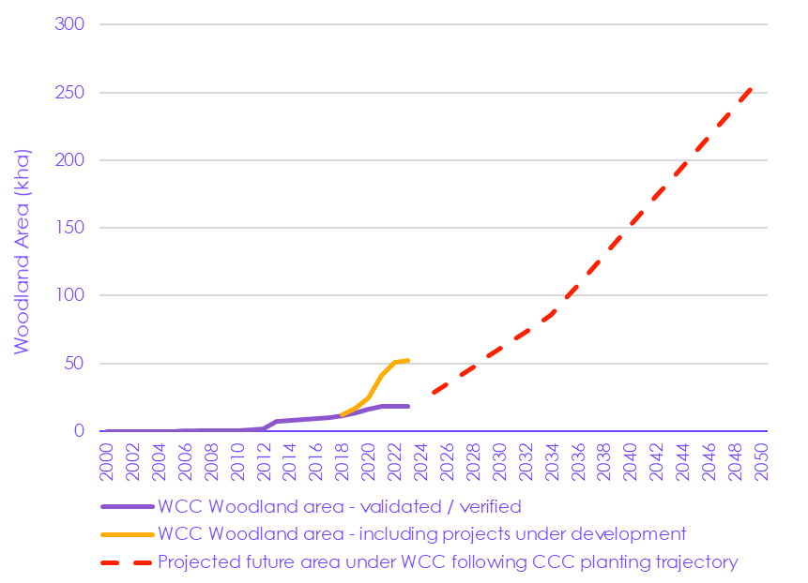

 |  | 2000 | 2001 | 2002 | 2003 | 2004 | 2005 | 2006 | 2007 | 2008 | 2009 | 2010 | 2011 | 2012 | 2013 | 2014 | 2015 | 2016 | 2017 | 2018 | 2019 | 2020 | 2021 | 2022 | 2023 | 2024 | 2025 | 2026 | 2027 | 2028 | 2029 | 2030 | 2031 | 2032 | 2033 | 2034 | 2035 | 2036 | 2037 | 2038 | 2039 | 2040 | 2041 | 2042 | 2043 | 2044 | 2045 | 2046 | 2047 | 2048 | 2049 | 2050
 | WCC Woodland area - validated / verified | 47 | 47 | 47 | 47 | 47 | 47 | 138 | 138 | 215 | 308 | 628 | 1,215 | 1,828 | 7,435 | 8,315 | 8,951 | 9,131 | 10,159 | 11,536 | 13,389 | 16,219 | 18,525 | 18,544 | 18,544 | 18,544 | 18,544 | 18,544 | 18,544
 | WCC Woodland area - including projects under development |  |  |  |  |  |  |  |  |  |  |  |  |  |  |  |  |  |  | 12,217 | 16,991 | 24,468 | 41,007 | 50,952 | 52,532 | 53,669 | 53,697 | 53,751 | 53,848
 | 6CB net woodland creation - proportion allocated to be underpinned by WCC |  |  |  |  |  |  |  |  |  |  |  |  |  |  |  |  |  |  |  |  |  |  |  |  |  | 28,576 | 34,948 | 41,321 | 47,694 | 54,067 | 60,440 | 66,813 | 73,186 | 79,559 | 85,932 | 96,905 | 107,878 | 118,851 | 129,824 | 140,797 | 151,770 | 162,743 | 173,716 | 184,689 | 195,662 | 206,635 | 217,608 | 228,581 | 239,554 | 250,527 | 261,500

Source: The UK Carbon Registry, the Woodland Carbon Code and CCC analysis. Data extracted in April 20221 by Allied Offsets. Notes: Future planting projections start from 2025 and is based on the CCC 6CB Balanced Pathway trajectory that sets out 1.3Mha of woodland creation by 2050. The Woodland Carbon Code projects have made up around 20% of planting rates in recent years and is assumed to continue (though the favourable additionality rules will change in October 2022, increasing clarity and policy focus for blended / stacked finance support continued uptake). Therefore, projected area represents 20% of the CCC afforestation pathway but should be considered to be speculative and an indication of the potential woodland area that could be underpinned by carbon codes.

Figure 3.5 Current UK area of peatland registered and under development under the Peatland Code

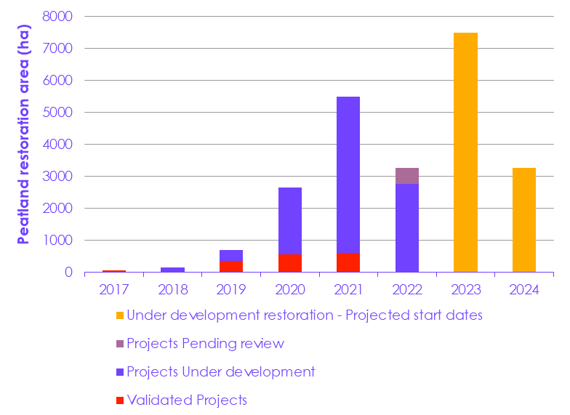

 | Date of registration | Validated Projects | Projects Under development | Projects Pending review | Under development restoration - Projected start dates
 | 2017 | 77
 | 2018 |  | 166
 | 2019 | 371 | 323
 | 2020 | 561 | 2,105
 | 2021 | 609 | 4,898
 | 2022 |  | 2,764 | 504
 | 2023 |  |  |  | 7,492
 | 2024 |  |  |  | 3,268

Source: Peatland Code data and CCC analysis. Data extracted by Allied Offsets on behalf of the CCC in April 2022.

