Annex charts and graphs
Figure A.1 System average price of fossil gas
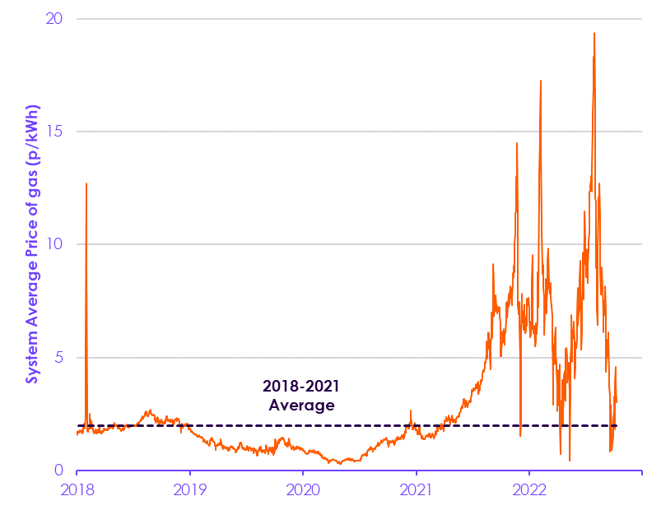

 |  | 2022-11-08 | 2022-11-07 | 2022-11-06 | 2022-11-05 | 2022-11-04 | 2022-11-03 | 2022-11-02 | 2022-11-01 | 2022-10-31 | 2022-10-30 | 2022-10-29 | 2022-10-28 | 2022-10-27 | 2022-10-26 | 2022-10-25 | 2022-10-24 | 2022-10-24 | 2022-10-23 | 2022-10-22 | 2022-10-21 | 2022-10-20 | 2022-10-19 | 2022-10-18 | 2022-10-17 | 2022-10-16 | 2022-10-15 | 2022-10-14 | 2022-10-13 | 2022-10-12 | 2022-10-11 | 2022-10-10 | 2022-10-09 | 2022-10-08 | 2022-10-07 | 2022-10-06 | 2022-10-05 | 2022-10-04 | 2022-10-03 | 2022-10-02 | 2022-10-01 | 2022-09-30 | 2022-09-29 | 2022-09-28 | 2022-09-27 | 2022-09-26 | 2022-09-25 | 2022-09-24 | 2022-09-23 | 2022-09-22 | 2022-09-21 | 2022-09-20 | 2022-09-19 | 2022-09-18 | 2022-09-17 | 2022-09-16 | 2022-09-15 | 2022-09-14 | 2022-09-13 | 2022-09-12 | 2022-09-11 | 2022-09-10 | 2022-09-09 | 2022-09-08 | 2022-09-07 | 2022-09-06 | 2022-09-05 | 2022-09-04 | 2022-09-03 | 2022-09-02 | 2022-09-01 | 2022-08-31 | 2022-08-30 | 2022-08-29 | 2022-08-28 | 2022-08-27 | 2022-08-26 | 2022-08-25 | 2022-08-24 | 2022-08-23 | 2022-08-22 | 2022-08-21 | 2022-08-20 | 2022-08-19 | 2022-08-18 | 2022-08-17 | 2022-08-16 | 2022-08-15 | 2022-08-14 | 2022-08-13 | 2022-08-12 | 2022-08-11 | 2022-08-10 | 2022-08-09 | 2022-08-08 | 2022-08-07 | 2022-08-06 | 2022-08-05 | 2022-08-04 | 2022-08-03 | 2022-08-02 | 2022-08-01 | 2022-07-31 | 2022-07-30 | 2022-07-29 | 2022-07-28 | 2022-07-27 | 2022-07-26 | 2022-07-25 | 2022-07-24 | 2022-07-23 | 2022-07-22 | 2022-07-21 | 2022-07-20 | 2022-07-19 | 2022-07-18 | 2022-07-17 | 2022-07-16 | 2022-07-15 | 2022-07-14 | 2022-07-13 | 2022-07-12 | 2022-07-11 | 2022-07-10 | 2022-07-09 | 2022-07-08 | 2022-07-07 | 2022-07-06 | 2022-07-05 | 2022-07-04 | 2022-07-03 | 2022-07-02 | 2022-07-01 | 2022-06-30 | 2022-06-29 | 2022-06-28 | 2022-06-27 | 2022-06-26 | 2022-06-25 | 2022-06-24 | 2022-06-23 | 2022-06-22 | 2022-06-21 | 2022-06-20 | 2022-06-19 | 2022-06-18 | 2022-06-17 | 2022-06-16 | 2022-06-15 | 2022-06-14 | 2022-06-13 | 2022-06-12 | 2022-06-11 | 2022-06-10 | 2022-06-09 | 2022-06-08 | 2022-06-07 | 2022-06-06 | 2022-06-05 | 2022-06-04 | 2022-06-03 | 2022-06-02 | 2022-06-01 | 2022-05-31 | 2022-05-30 | 2022-05-29 | 2022-05-28 | 2022-05-27 | 2022-05-26 | 2022-05-25 | 2022-05-24 | 2022-05-23 | 2022-05-22 | 2022-05-21 | 2022-05-20 | 2022-05-19 | 2022-05-18 | 2022-05-17 | 2022-05-16 | 2022-05-15 | 2022-05-14 | 2022-05-13 | 2022-05-12 | 2022-05-11 | 2022-05-10 | 2022-05-09 | 2022-05-08 | 2022-05-07 | 2022-05-06 | 2022-05-05 | 2022-05-04 | 2022-05-03 | 2022-05-02 | 2022-05-01 | 2022-04-30 | 2022-04-29 | 2022-04-28 | 2022-04-27 | 2022-04-26 | 2022-04-25 | 2022-04-24 | 2022-04-23 | 2022-04-22 | 2022-04-21 | 2022-04-20 | 2022-04-19 | 2022-04-18 | 2022-04-17 | 2022-04-16 | 2022-04-15 | 2022-04-14 | 2022-04-13 | 2022-04-12 | 2022-04-11 | 2022-04-10 | 2022-04-09 | 2022-04-08 | 2022-04-07 | 2022-04-06 | 2022-04-05 | 2022-04-04 | 2022-04-03 | 2022-04-02 | 2022-04-01 | 2022-03-31 | 2022-03-30 | 2022-03-29 | 2022-03-28 | 2022-03-27 | 2022-03-26 | 2022-03-25 | 2022-03-24 | 2022-03-23 | 2022-03-22 | 2022-03-21 | 2022-03-20 | 2022-03-19 | 2022-03-18 | 2022-03-17 | 2022-03-16 | 2022-03-15 | 2022-03-14 | 2022-03-13 | 2022-03-12 | 2022-03-11 | 2022-03-10 | 2022-03-09 | 2022-03-08 | 2022-03-07 | 2022-03-06 | 2022-03-05 | 2022-03-04
 | System Average Price (p/kWh) | 3.3 | 2.7 | 3.0 | 3.6 | 4.3 | 4.6 | 3.8 | 1.9 | 2.9 | 3.3 | 2.6 | 2.2 | 2.0 | 1.5 | 1.2 | 1.2 | 1.2 | 0.9 | 1.5 | 2.9 | 2.8 | 1.1 | 0.8 | 2.1 | 3.3 | 3.7 | 4.3 | 5.7 | 6.1 | 5.9 | 5.6 | 5.4 | 5.0 | 5.8 | 5.3 | 4.4 | 4.5 | 7.0 | 8.2 | 7.3 | 6.9 | 7.5 | 7.5 | 7.2 | 6.1 | 6.9 | 8.1 | 8.0 | 8.9 | 8.0 | 9.0 | 8.9 | 8.5 | 7.8 | 8.8 | 11.1 | 12.7 | 11.8 | 11.5 | 12.1 | 12.1 | 11.5 | 10.0 | 6.4 | 7.1 | 9.7 | 10.0 | 9.0 | 9.7 | 11.9 | 12.0 | 16.3 | 19.4 | 18.5 | 17.8 | 18.3 | 17.9 | 17.0 | 15.8 | 15.2 | 13.4 | 12.4 | 12.6 | 12.9 | 13.0 | 12.8 | 12.6 | 12.4 | 12.3 | 12.0 | 10.5 | 10.2 | 9.8 | 9.9 | 9.1 | 8.3 | 9.6 | 9.4 | 9.8 | 8.5 | 9.6 | 9.5 | 9.1 | 10.1 | 11.4 | 11.5 | 10.5 | 8.5 | 7.6 | 8.8 | 9.6 | 8.6 | 7.4 | 6.4 | 6.2 | 5.4 | 5.6 | 6.4 | 7.7 | 9.3 | 8.5 | 7.7 | 7.3 | 7.0 | 7.0 | 7.2 | 6.5 | 8.1 | 6.9 | 5.8 | 5.8 | 5.4 | 5.5 | 5.7 | 5.4 | 4.6 | 4.1 | 4.9 | 5.7 | 6.5 | 6.6 | 6.4 | 5.9 | 6.2 | 5.7 | 4.8 | 5.1 | 6.9 | 5.5 | 5.0 | 4.8 | 3.8 | 0.4 | 1.5 | 3.6 | 4.3 | 4.8 | 4.8 | 4.3 | 4.2 | 4.0 | 3.9 | 5.0 | 5.4 | 5.3 | 5.4 | 4.5 | 3.1 | 3.5 | 4.1 | 4.4 | 4.2 | 3.4 | 2.7 | 2.8 | 2.0 | 3.4 | 4.0 | 2.9 | 3.1 | 2.1 | 1.7 | 1.4 | 0.7 | 2.0 | 3.8 | 4.7 | 2.9 | 3.8 | 3.9 | 4.4 | 4.4 | 3.5 | 2.7 | 3.8 | 4.5 | 4.8 | 5.0 | 4.9 | 6.3 | 5.9 | 4.7 | 4.8 | 5.1 | 5.6 | 5.3 | 2.9 | 3.8 | 6.2 | 5.3 | 6.8 | 7.3 | 7.2 | 7.6 | 8.3 | 8.1 | 7.9 | 7.9 | 7.8 | 8.1 | 8.2 | 9.5 | 9.7 | 9.8 | 9.3 | 8.7 | 8.1 | 7.5 | 7.0 | 8.0 | 8.5 | 7.9 | 7.4 | 7.6 | 7.3 | 6.0 | 7.7 | 8.1 | 8.6 | 9.1 | 8.7 | 9.3 | 8.8 | 10.6 | 11.1 | 14.0 | 17.1 | 17.2 | 15.5 | 15.4 | 14.6
 | Average daily SAP (January 201 8 to December 2021, p/kWh) | 2.0 | 2.0 | 2.0 | 2.0 | 2.0 | 2.0 | 2.0 | 2.0 | 2.0 | 2.0 | 2.0 | 2.0 | 2.0 | 2.0 | 2.0 | 2.0 | 2.0 | 2.0 | 2.0 | 2.0 | 2.0 | 2.0 | 2.0 | 2.0 | 2.0 | 2.0 | 2.0 | 2.0 | 2.0 | 2.0 | 2.0 | 2.0 | 2.0 | 2.0 | 2.0 | 2.0 | 2.0 | 2.0 | 2.0 | 2.0 | 2.0 | 2.0 | 2.0 | 2.0 | 2.0 | 2.0 | 2.0 | 2.0 | 2.0 | 2.0 | 2.0 | 2.0 | 2.0 | 2.0 | 2.0 | 2.0 | 2.0 | 2.0 | 2.0 | 2.0 | 2.0 | 2.0 | 2.0 | 2.0 | 2.0 | 2.0 | 2.0 | 2.0 | 2.0 | 2.0 | 2.0 | 2.0 | 2.0 | 2.0 | 2.0 | 2.0 | 2.0 | 2.0 | 2.0 | 2.0 | 2.0 | 2.0 | 2.0 | 2.0 | 2.0 | 2.0 | 2.0 | 2.0 | 2.0 | 2.0 | 2.0 | 2.0 | 2.0 | 2.0 | 2.0 | 2.0 | 2.0 | 2.0 | 2.0 | 2.0 | 2.0 | 2.0 | 2.0 | 2.0 | 2.0 | 2.0 | 2.0 | 2.0 | 2.0 | 2.0 | 2.0 | 2.0 | 2.0 | 2.0 | 2.0 | 2.0 | 2.0 | 2.0 | 2.0 | 2.0 | 2.0 | 2.0 | 2.0 | 2.0 | 2.0 | 2.0 | 2.0 | 2.0 | 2.0 | 2.0 | 2.0 | 2.0 | 2.0 | 2.0 | 2.0 | 2.0 | 2.0 | 2.0 | 2.0 | 2.0 | 2.0 | 2.0 | 2.0 | 2.0 | 2.0 | 2.0 | 2.0 | 2.0 | 2.0 | 2.0 | 2.0 | 2.0 | 2.0 | 2.0 | 2.0 | 2.0 | 2.0 | 2.0 | 2.0 | 2.0 | 2.0 | 2.0 | 2.0 | 2.0 | 2.0 | 2.0 | 2.0 | 2.0 | 2.0 | 2.0 | 2.0 | 2.0 | 2.0 | 2.0 | 2.0 | 2.0 | 2.0 | 2.0 | 2.0 | 2.0 | 2.0 | 2.0 | 2.0 | 2.0 | 2.0 | 2.0 | 2.0 | 2.0 | 2.0 | 2.0 | 2.0 | 2.0 | 2.0 | 2.0 | 2.0 | 2.0 | 2.0 | 2.0 | 2.0 | 2.0 | 2.0 | 2.0 | 2.0 | 2.0 | 2.0 | 2.0 | 2.0 | 2.0 | 2.0 | 2.0 | 2.0 | 2.0 | 2.0 | 2.0 | 2.0 | 2.0 | 2.0 | 2.0 | 2.0 | 2.0 | 2.0 | 2.0 | 2.0 | 2.0 | 2.0 | 2.0 | 2.0 | 2.0 | 2.0 | 2.0 | 2.0 | 2.0 | 2.0 | 2.0 | 2.0 | 2.0 | 2.0 | 2.0 | 2.0 | 2.0 | 2.0 | 2.0 | 2.0 | 2.0 | 2.0 | 2.0 | 2.0 | 2.0 | 2.0 | 2.0 | 2.0

Source: National Grid (2022) Gas prevailing view

Figure A.2 Fossil gas retail price scenarios
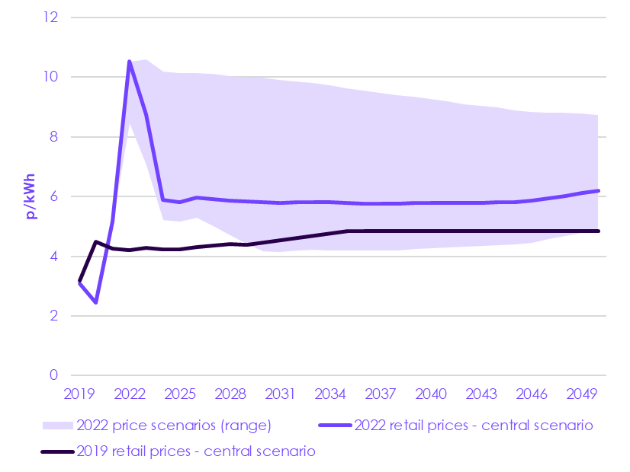

 | Year | 2019 | 2020 | 2021 | 2022 | 2023 | 2024 | 2025 | 2026 | 2027 | 2028 | 2029 | 2030 | 2031 | 2032 | 2033 | 2034 | 2035 | 2036 | 2037 | 2038 | 2039 | 2040 | 2041 | 2042 | 2043 | 2044 | 2045 | 2046 | 2047 | 2048 | 2049 | 2050
 | Sixth Carbon Budget (2019 central scenario, p/kWh) | 3.2 | 4.5 | 4.3 | 4.2 | 4.3 | 4.2 | 4.2 | 4.3 | 4.4 | 4.4 | 4.4 | 4.5 | 4.5 | 4.6 | 4.7 | 4.8 | 4.8 | 4.8 | 4.8 | 4.8 | 4.8 | 4.8 | 4.8 | 4.8 | 4.8 | 4.8 | 4.8 | 4.8 | 4.8 | 4.8 | 4.8 | 4.8
 | Gas retail prices - low scenario (2022, p/kWh) | 3.1 | 2.5 | 5.2 | 8.4 | 7.1 | 5.2 | 5.2 | 5.3 | 5.0 | 4.7 | 4.4 | 4.2 | 4.2 | 4.2 | 4.2 | 4.2 | 4.2 | 4.2 | 4.2 | 4.2 | 4.3 | 4.3 | 4.3 | 4.3 | 4.3 | 4.4 | 4.4 | 4.5 | 4.6 | 4.7 | 4.8 | 4.9
 | Gas retail prices - central scenario (2022, p/kWh) | 3.1 | 2.5 | 5.2 | 10.5 | 8.7 | 5.9 | 5.8 | 6.0 | 5.9 | 5.9 | 5.8 | 5.8 | 5.8 | 5.8 | 5.8 | 5.8 | 5.8 | 5.8 | 5.8 | 5.8 | 5.8 | 5.8 | 5.8 | 5.8 | 5.8 | 5.8 | 5.8 | 5.9 | 5.9 | 6.0 | 6.1 | 6.2
 | Gas retail prices - high scenario (2022, p/kWh) | 3.1 | 2.5 | 5.2 | 10.5 | 10.6 | 10.2 | 10.1 | 10.1 | 10.1 | 10.0 | 10.0 | 10.0 | 9.9 | 9.9 | 9.8 | 9.7 | 9.6 | 9.6 | 9.5 | 9.4 | 9.3 | 9.3 | 9.2 | 9.1 | 9.0 | 9.0 | 8.9 | 8.8 | 8.8 | 8.8 | 8.8 | 8.7

Source: CCC analysis based on OBR (2022) Fiscal risks and sustainability; CCC (2020) The Sixth Carbon Budget, Aurora Research (2022) Great Britain Power and Renewables Market Forecast Notes: Refers to retail prices. The 2019 scenario refers to the scenario used by the CCC in our 2020 Sixth Carbon Budget advice. The 2022 scenarios are updates based on CCC analysis of external estimates.

Figure A.3 Public concerns in October 2022
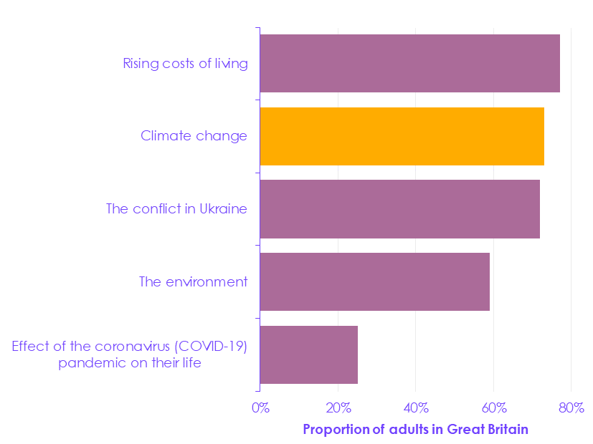

 | Issue | Proportion of GB adults (%)
 | Effect of the coronavirus (COVID-19) pandemic on their life | 25
 | The environment | 59
 | The conflict in Ukraine | 72
 | Climate change | 73
 | Rising costs of living | 77

Source: ONS (2022) Public opinions and social trends, Great Britain: 29 September to 9 October 2022. Notes: Data correspond to respondents who said they were either ‘somewhat worried’ or ‘very worried’ when asked the questions: “How worried or unworried are you about the impact of climate change?”, "In the past two weeks, how worried or unworried have you been about rising costs of living?”, "In the past two weeks, how worried or unworried have you been about the environment?”, “In the past two weeks, how worried or unworried have you been about the conflict in Ukraine?” and “How worried or unworried are you about the effect that the coronavirus (COVID-19) pandemic is having on your life right now?".

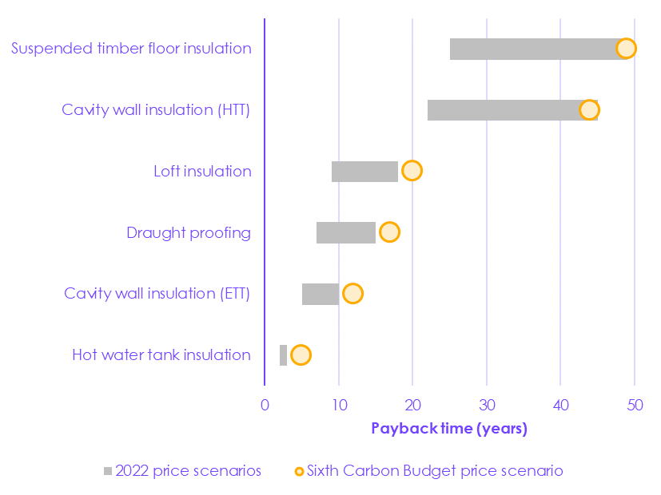
Figure A.4 Payback periods for energy efficiency
 |  |  | 2022
 | Measure | Sixth Carbon Budget central price scenario | Low price scenario | Central price scenario | High price scenario
 | Hot water tank insulation | 5 | 3 | 3 | 2
 | Cavity wall insulation (easty to treat) | 12 | 10 | 8 | 5
 | Draught proofing | 17 | 15 | 13 | 7
 | Loft insulation | 20 | 18 | 15 | 9
 | Cavity wall insulation (hard to treat) | 44 | 45 | 36 | 22
 | Suspended timber floor insulation | 49 | 49 | 40 | 25

 | Solid wall insulation (external) | 84 | 86 | 69 | 47
 | Solid wall insulation (internal) | 85 | 86 | 70 | 47
 | Double glazing (from band G) | 184 | 188 | 155 | 112
 | Double glazing (from band E) | 341 | 348 | 294 | 224

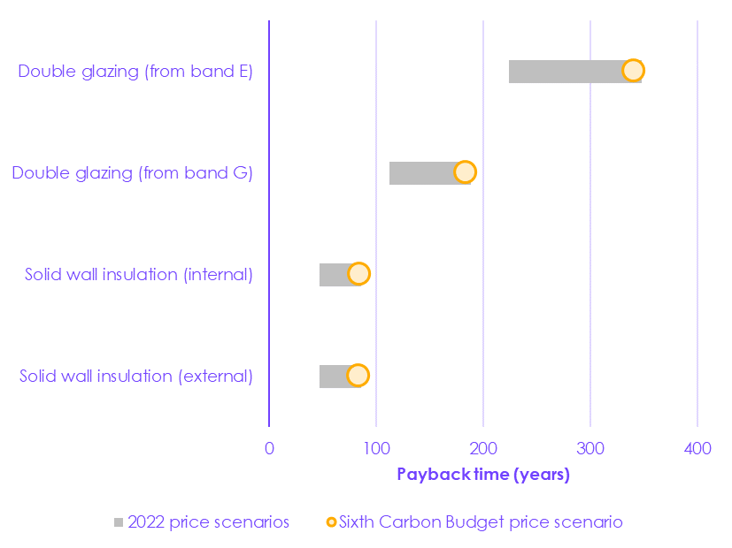

Source: CCC (2020) Sixth Carbon Budget; Element Energy (2020) Development of trajectories for residential heat decarbonisation to inform the sixth carbon budget; ONS (2022) Construction Output Price Indices; CCC analysis based on OBR (2022) Fiscal risks and sustainability; Aurora Research (2022) Great Britain Power and Renewables Market Forecast Notes: ETT and HTT – Easy-to-treat and Hard-to-treat.

Figure A.5 Value for money relative to demand reduction potential
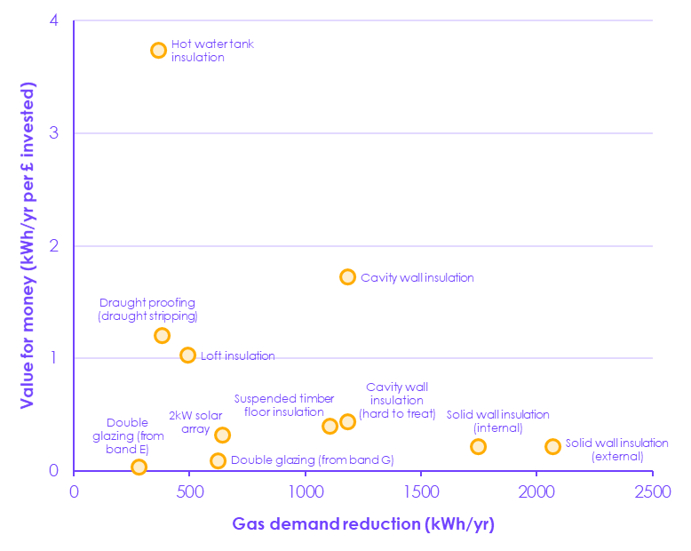

 | Measure | Gas demand reduction (kWh/year) | Value for money (kWh/year per £ invested)
 | Solid wall insulation (external) | 2070 | 0.22
 | Solid wall insulation (internal) | 1749 | 0.22
 | Cavity wall insulation | 1183 | 1.72
 | Cavity wall insulation (hard to treat) | 1183 | 0.44
 | Loft insulation | 493 | 1.03
 | Double glazing (from band G) | 625 | 0.09
 | Double glazing (from band E) | 284 | 0.04
 | Draught proofing (draught stripping) | 382 | 1.20
 | Suspended timber floor insulation | 1108 | 0.40
 | Hot water tank insulation | 367 | 3.74
 | 2kW solar array | 644 | 0.32

Source: CCC (2020) Sixth Carbon Budget; Element Energy (2020) Development of trajectories for residential heat decarbonisation to inform the sixth carbon budget; ONS (2022) Construction Output Price Indices; CCC analysis based on OBR (2022) Fiscal risks and sustainability; Aurora Research (2022) Great Britain Power and Renewables Market Forecast . Notes: Double glazing from bands E and G refers to window energy ratings, which range from G to A++.

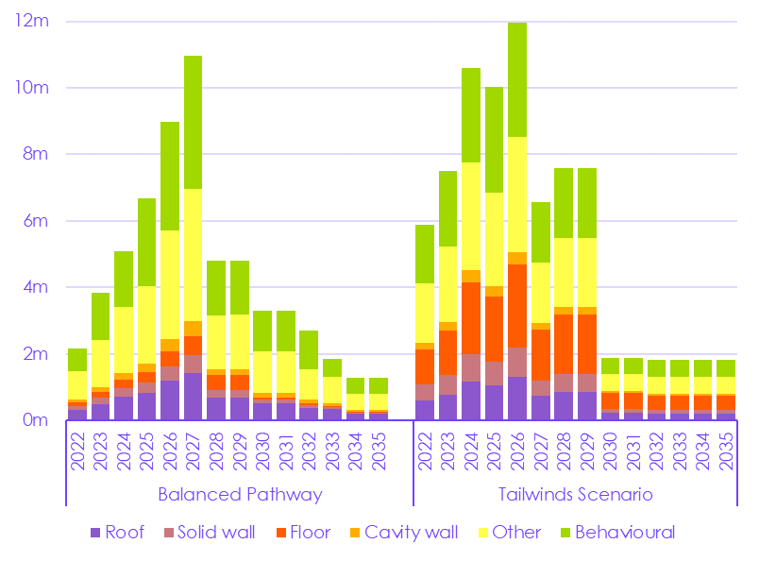
Figure A.6 Energy efficiency roll-out in the CCC’s scenarios
 | Scenario | Year | Other | Behavioural | Roof | Solid wall | Floor | Cavity wall
 | Balanced Pathway | 2022 | 842,102 | 669,720 | 304,344 | 120,522 | 117,521 | 92,919
 |  | 2023 | 1,412,259 | 1,412,259 | 478,089 | 191,056 | 184,978 | 153,679
 |  | 2024 | 1,981,506 | 1,674,468 | 708,543 | 252,896 | 256,207 | 217,405
 |  | 2025 | 2,339,134 | 2,646,172 | 837,626 | 302,210 | 297,061 | 254,862
 |  | 2026 | 3,264,263 | 3,264,263 | 1,183,515 | 429,256 | 470,868 | 355,991
 |  | 2027 | 3,994,205 | 3,985,586 | 1,430,574 | 533,633 | 574,377 | 437,856
 |  | 2028 | 1,634,972 | 1,634,972 | 675,801 | 245,809 | 438,123 | 172,674
 |  | 2029 | 1,636,267 | 1,636,267 | 676,329 | 246,221 | 439,245 | 172,791
 |  | 2030 | 1,232,637 | 1,224,740 | 513,716 | 113,231 | 68,010 | 138,452
 |  | 2031 | 1,232,637 | 1,224,740 | 513,716 | 113,231 | 68,010 | 138,452
 |  | 2032 | 914,242 | 1,176,413 | 377,969 | 85,910 | 51,500 | 100,604
 |  | 2033 | 790,026 | 527,855 | 327,960 | 68,810 | 40,983 | 88,413
 |  | 2034 | 479,528 | 479,528 | 198,627 | 43,534 | 26,022 | 53,184
 |  | 2035 | 479,528 | 479,528 | 198,627 | 43,534 | 26,022 | 53,184

 | Tailwinds Scenario | 2022 | 1,776,771 | 1,776,771 | 603,443 | 465,582 | 1,070,531 | 194,025
 |  | 2023 | 2,264,725 | 2,264,725 | 765,629 | 594,518 | 1,352,468 | 247,337
Source: CCC (2020) Sixth Carbon Budget. Notes: Roof includes roof and loft insulation; behavioural measures include: pre-heating, heat as a service, low-flow shower heads, and smart meters; other measures include: draught proofing and hot water tank insulation. |  | 2024 | 3,235,492 | 2,844,744 | 1,168,148 | 816,630 | 2,174,236 | 354,928
 |  | 2025 | 2,805,382 | 3,196,129 | 1,038,187 | 723,561 | 1,968,784 | 305,878
 |  | 2026 | 3,452,093 | 3,443,474 | 1,299,913 | 875,979 | 2,503,392 | 378,463
 |  | 2027 | 1,820,497 | 1,820,497 | 753,162 | 438,539 | 1,542,942 | 199,106
 |  | 2028 | 2,092,784 | 2,092,784 | 864,088 | 528,865 | 1,779,552 | 223,578
 |  | 2029 | 2,094,079 | 2,094,079 | 864,616 | 529,295 | 1,780,679 | 223,695
 |  | 2030 | 514,441 | 500,774 | 218,812 | 125,530 | 470,146 | 58,641
 |  | 2031 | 514,441 | 500,774 | 218,812 | 125,530 | 470,146 | 58,641
 |  | 2032 | 500,774 | 500,774 | 207,427 | 116,966 | 423,524 | 55,540
 |  | 2033 | 500,774 | 500,774 | 207,427 | 116,966 | 423,524 | 55,540
 |  | 2034 | 500,774 | 500,774 | 207,427 | 117,038 | 423,524 | 55,540
 |  | 2035 | 500,774 | 500,774 | 207,427 | 117,038 | 423,524 | 55,540

Figure A.7 Emissions from residential buildings in the CCC’s scenarios
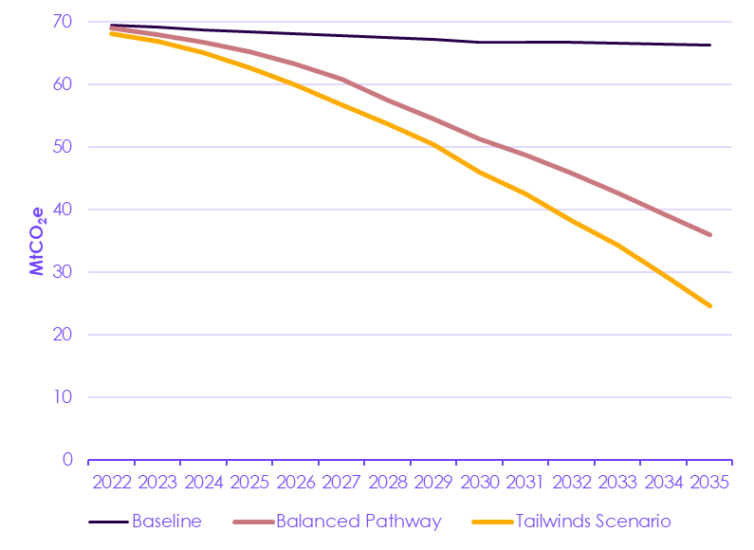

 |  | 2017 | 2018 | 2019 | 2020 | 2021 | 2022 | 2023 | 2024 | 2025 | 2026 | 2027 | 2028 | 2029 | 2030 | 2031 | 2032 | 2033 | 2034 | 2035 | 2036 | 2037 | 2038 | 2039 | 2040 | 2041 | 2042 | 2043 | 2044 | 2045 | 2046 | 2047 | 2048 | 2049 | 2050
 | Baseline | 0.00 | 69.60 | 69.92 | 70.25 | 69.84 | 69.46 | 69.10 | 68.75 | 68.42 | 68.10 | 67.80 | 67.47 | 67.15 | 66.77 | 66.72 | 66.66 | 66.58 | 66.48 | 66.30 | 66.48 | 66.70 | 66.92 | 67.14 | 67.36 | 67.58 | 67.80 | 68.02 | 68.18 | 68.34 | 68.51 | 68.67 | 68.83 | 68.99 | 69.15
 | Balanced Pathway | 0.00 | 69.59 | 70.17 | 70.53 | 69.81 | 68.97 | 67.92 | 66.76 | 65.22 | 63.25 | 60.77 | 57.45 | 54.41 | 51.29 | 48.63 | 45.76 | 42.65 | 39.30 | 35.94 | 32.74 | 29.66 | 26.52 | 23.25 | 19.85 | 16.21 | 12.91 | 9.98 | 7.45 | 5.20 | 3.16 | 1.17 | -0.65 | -1.09 | -1.33
 | Tailwinds Scenario | 0.00 | 69.59 | 69.87 | 70.16 | 69.26 | 68.13 | 66.81 | 65.07 | 62.65 | 59.89 | 56.68 | 53.76 | 50.39 | 45.94 | 42.46 | 38.28 | 34.35 | 29.61 | 24.57 | 21.52 | 18.43 | 15.41 | 12.62 | 9.99 | 7.78 | 5.56 | 3.33 | 1.50 | 1.28 | 1.05 | 0.83 | 0.64 | 0.45 | 0.26

Source: CCC (2020) Sixth Carbon Budget.

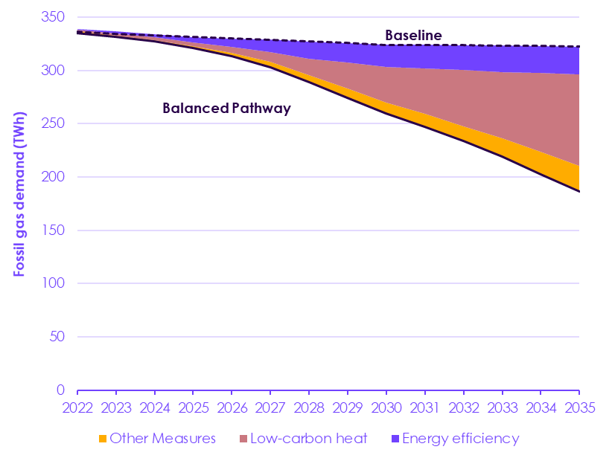
Figure A.8 Reduction in fossil gas demand in the CCC’s buildings scenarios

 | Scenario |  | 2017 | 2018 | 2019 | 2020 | 2021 | 2022 | 2023 | 2024 | 2025 | 2026 | 2027 | 2028 | 2029 | 2030 | 2031 | 2032 | 2033 | 2034 | 2035 | 2036 | 2037 | 2038 | 2039 | 2040 | 2041 | 2042 | 2043 | 2044 | 2045 | 2046 | 2047 | 2048 | 2049 | 2050
 | Balanced Pathway | Balanced Pathway | 334.3 | 335.2 | 336.8 | 338.5 | 337.7 | 335.1 | 331.6 | 327.6 | 321.2 | 313.2 | 303.1 | 288.7 | 274.4 | 259.6 | 247.1 | 233.7 | 218.9 | 202.8 | 186.5 | 171.1 | 156.3 | 141.2 | 125.5 | 109.1 | 91.3 | 75.2 | 61.0 | 47.4 | 35.2 | 24.2 | 13.5 | 3.6 | 1.3 | 0.0
 |  | Other | 0.0 | 1.0 | 1.1 | 1.2 | 1.4 | 1.5 | 1.1 | 0.6 | 1.2 | 3.1 | 5.1 | 6.9 | 8.6 | 10.0 | 11.9 | 13.6 | 17.4 | 21.1 | 24.3 | 27.5 | 30.9 | 34.2 | 37.6 | 39.7 | 41.8 | 43.8 | 45.8 | 47.5 | 49.1 | 50.7 | 52.3 | 53.3 | 54.2 | 55.1
 |  | Heat | 0.0 | 0.0 | 0.0 | 0.0 | 1.0 | 1.5 | 2.0 | 2.6 | 3.6 | 5.6 | 8.7 | 15.5 | 24.3 | 33.6 | 42.7 | 52.8 | 62.4 | 73.8 | 85.5 | 98.1 | 110.1 | 122.5 | 135.5 | 150.4 | 166.7 | 181.4 | 194.2 | 206.4 | 217.3 | 226.9 | 236.6 | 246.2 | 248.5 | 249.7
 |  | Efficiency | 0.0 | 0.0 | 0.0 | 0.0 | 0.4 | 0.9 | 1.8 | 3.3 | 5.3 | 8.1 | 11.8 | 16.2 | 18.5 | 20.9 | 22.3 | 23.6 | 24.7 | 25.4 | 25.8 | 26.4 | 27.0 | 27.6 | 28.2 | 28.7 | 29.3 | 29.9 | 30.5 | 31.1 | 31.6 | 32.2 | 32.5 | 32.7 | 32.7 | 32.7
 |  | Baseline | 334.3 | 336.2 | 337.9 | 339.7 | 337.8 | 336.0 | 334.4 | 332.9 | 331.4 | 330.0 | 328.7 | 327.3 | 325.8 | 324.1 | 324.0 | 323.7 | 323.4 | 323.0 | 322.2 | 323.2 | 324.3 | 325.5 | 326.7 | 327.9 | 329.1 | 330.3 | 331.5 | 332.3 | 333.2 | 334.1 | 334.9 | 335.8 | 336.6 | 337.5

 | Tailwinds Scenario | Tailwinds Scenario | 334.3 | 335.2 | 336.8 | 338.5 | 337.3 | 332.7 | 326.7 | 318.6 | 307.5 | 295.6 | 281.9 | 269.6 | 254.8 | 233.8 | 216.7 | 195.7 | 176.1 | 152.0 | 126.2 | 111.3 | 96.5 | 82.0 | 68.9 | 55.9 | 43.1 | 30.3 | 17.5 | 6.8 | 5.6 | 4.3 | 3.1 | 2.1 | 1.0 | 0.0
 |  | Other | 0.0 | 1.0 | 1.1 | 1.2 | 1.4 | 1.5 | 1.0 | 0.8 | 2.7 | 4.6 | 6.6 | 8.4 | 10.2 | 12.4 | 14.9 | 17.4 | 21.2 | 25.0 | 28.5 | 31.7 | 35.1 | 38.4 | 40.4 | 42.4 | 44.3 | 46.3 | 48.2 | 49.8 | 50.7 | 51.6 | 52.5 | 53.4 | 54.2 | 55.1
 |  | Heat | 0.0 | 0.0 | 0.0 | 0.0 | 0.9 | 1.4 | 2.0 | 2.6 | 4.0 | 6.2 | 9.1 | 13.8 | 20.3 | 32.5 | 45.9 | 63.1 | 77.6 | 96.6 | 117.1 | 128.5 | 139.9 | 151.0 | 162.0 | 172.9 | 183.7 | 194.5 | 205.5 | 214.3 | 215.5 | 216.7 | 217.9 | 219.0 | 220.0 | 221.0
 |  | Efficiency | 0.0 | 0.0 | 0.0 | 0.0 | 1.0 | 3.4 | 6.7 | 10.9 | 17.3 | 23.6 | 31.0 | 35.5 | 40.5 | 45.4 | 46.5 | 47.5 | 48.5 | 49.5 | 50.4 | 51.6 | 52.9 | 54.2 | 55.4 | 56.7 | 57.9 | 59.2 | 60.3 | 61.4 | 61.4 | 61.4 | 61.4 | 61.4 | 61.4 | 61.4
 |  | Baseline | 334.3 | 336.2 | 337.9 | 339.7 | 337.8 | 336.0 | 334.4 | 332.9 | 331.4 | 330.0 | 328.7 | 327.3 | 325.8 | 324.1 | 324.0 | 323.7 | 323.4 | 323.0 | 322.2 | 323.2 | 324.3 | 325.5 | 326.7 | 327.9 | 329.1 | 330.3 | 331.5 | 332.3 | 333.2 | 334.1 | 334.9 | 335.8 | 336.6 | 337.5

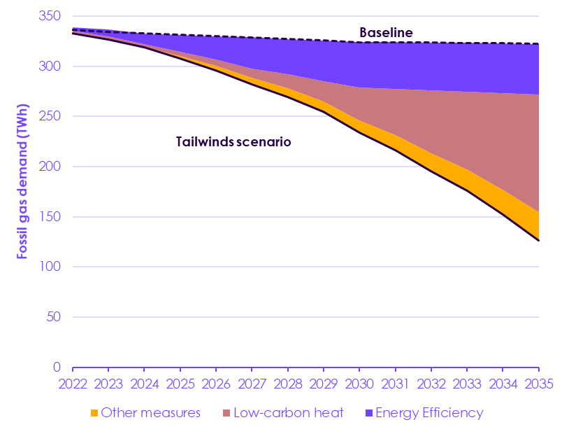

Source: CCC (2020) Sixth Carbon Budget. Notes: ‘Energy Efficiency’ measures include: cavity wall and solid wall insulation, roof and loft insulation, floor insulation, small measures such as draught proofing, reduced infiltration, low-flow shower heads, and hot water tank insulation, and behavioural measures. ‘Other measures’ include: energy-efficient appliances, transition from gas to electric stoves.

